welcome

WELCOME خوش آمدی स्वागत हे خوش آمدید

NAME: GARIMA KEHAR REGISTRATION NO: 11902683
 | LETS GET STARTED

content

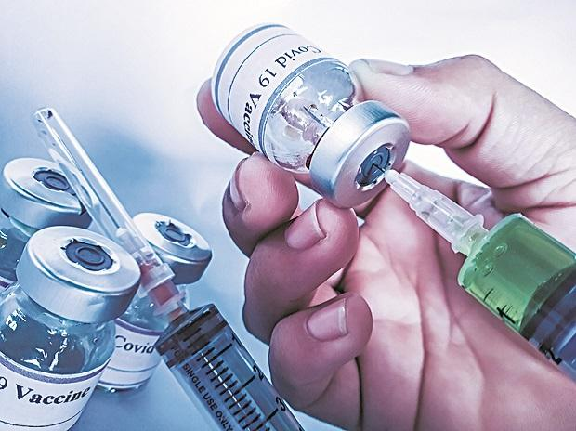

CONTENT OF THIS PROJECT

CORONA IN GLOBAL WORLD AND INDIA | VACCINATION OF COVID-19
 |  | UNEMPLOYMENT DUE TO COVID-19

DASHBOARD MAIN
DASHBOARD

DASH1
DASHBOARD 1

 | Sum of Cases - cumulative total | Sum of Deaths - cumulative total
Australia | 200654 | 1968


OBJECTIVE 1

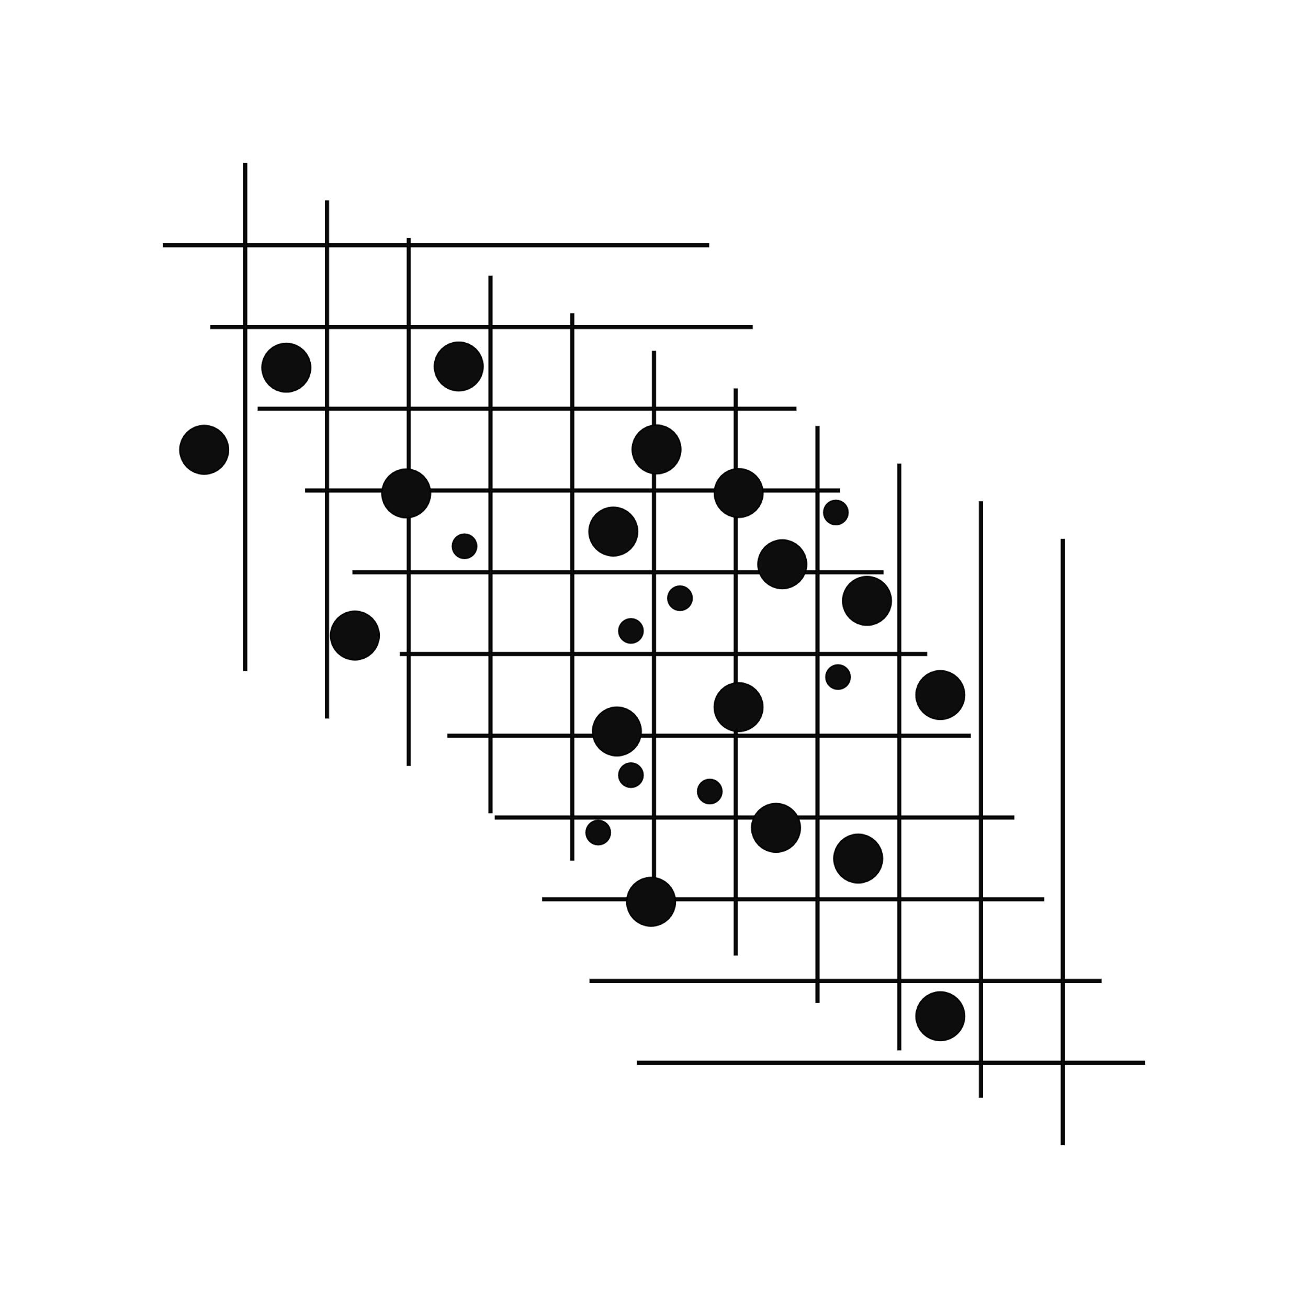
 | Sum of ACTIVE | Sum of DEATHS
Haryana | 15414 | 10053

OBJECTIVE 1.2


 | Sum of ACTIVE RATIO | Sum of DISCHARGE RATIO | Sum of DEATH RATIO
Haryana | 0.0002 | 0.9868 | 0.013

OBJECTIVE 1.3

DASH 2
DASHBOARD 2



OBSERVATION 2

TOP 10 COUNTRIES HAVE ACTIVE CASE
 | Total
Andorra | 21150.586
Czechia | 19113.799
Georgia | 20615.365
Gibraltar | 20765.19
Montenegro | 24730.202
Saint Barthélemy | 16853.819
San Marino | 17302.139
Serbia | 17885.286
Seychelles | 23520.799
Slovenia | 19346.56


OBSERVATION 2.1



OBSERVATION 2.2

Most number of Death in which country
 | Deaths -cumulative total
Zimbabwe | 4,703
Zambia | 3,667
Yemen | 1,942
Wallis and Futuna | 7
Viet Nam | 24,118
Venezuela (Bolivarian Republic of) | 5,088
Vanuatu | -
Uzbekistan | 1,385
Uruguay | 6,115
United States Virgin Islands | 85
United States of America | 768,565
United Republic of Tanzania | 730
United Arab Emirates | 2,144
Ukraine | 82,913
Uganda | 3,250
Tuvalu | -
Turks and Caicos Islands | 23
Turkmenistan | -
Turkey | 75,443
Tunisia | 25,354
Trinidad and Tobago | 1,977
Tonga | -
Tokelau | -
Togo | 243
Timor-Leste | 122
The United Kingdom | 144,137
Thailand | 20,544
Tajikistan | 125
Syrian Arab Republic | 2,714
Switzerland | 10,978
Sweden | 15,126
Suriname | 1,152
Sudan | 3,114
Sri Lanka | 14,182
Spain | 87,866
South Sudan | 133
South Africa | 89,635
Somalia | 1,324
Solomon Islands | -
Slovenia | 5,411
Slovakia | 14,056
Sint Maarten | 75
Sint Eustatius | -
Singapore | 672
Sierra Leone | 121
Seychelles | 122
Serbia | 11,335
Senegal | 1,885
Saudi Arabia | 8,827
...



TOP 10 MOST AFFECTED COUNTRIES DUE TO COVID-19
 | Total
Bosnia and Herzegovina | 376.065
Brazil | 288.287
Bulgaria | 397.872
Czechia | 303.05
Georgia | 292.767
Gibraltar | 290.879
Hungary | 343.098
Montenegro | 358.723
North Macedonia | 358.264
Peru | 609.289

OBSERVATION 2.3

DASH 3

DASHBOARD 3



OBSERVATION 3
MOST NO OF CASES IN WHICH STATE
 | Total
Andaman And Nicobar | 2
Andhra Pradesh | 217,516
Arunachal Pradesh | 342
Assam | 294,333
Bihar | 405
Chandigarh | 372
Chhattisgarh | 31,015
Dadra And Nagar Haveli And Daman And Diu | 1
Delhi | 31,115
Goa | 2,462
Gujarat | 3,163
Haryana | 15,414
Himachal Pradesh | 93,166
Jammu And Kashmir | 168,437
Jharkhand | 123
Karnataka | 6,441,295
Kerala | 519,431,407
Ladakh | 2,251
Lakshadweep | 182
Madhya Pradesh | 10,414
Maharashtra | 13,028,124
Manipur | 69,811
Meghalaya | 35,659
Mizoram | 444,214
Nagaland | 1,304
Odisha | 2,123,134
Puducherry | 3,043
Punjab | 30,030
Rajasthan | 1,415
Sikkim | 1,141
Tamil Nadu | 848,452
Telengana | 3,533
Tripura | 812
Uttar Pradesh | 94
Uttarakhand | 18,015
West Bengal | 789,420



OBSERVATION 3.1

STATE HAS MOST NUMBER OF DEATH CASE
 | Total
Andaman And Nicobar | 129
Andhra Pradesh | 144301
Arunachal Pradesh | 280
Assam | 60812
Bihar | 9663
Chandigarh | 820
Chhattisgarh | 13593
Dadra And Nagar Haveli And Daman And Diu | 4
Delhi | 25095
Goa | 3378
Gujarat | 10092
Haryana | 10053
Himachal Pradesh | 38383
Jammu And Kashmir | 44662
Jharkhand | 5140
Karnataka | 381853
Kerala | 38353308
Ladakh | 2131
Lakshadweep | 51
Madhya Pradesh | 10527
Maharashtra | 14080741
Manipur | 19652
Meghalaya | 1467
Mizoram | 4842
Nagaland | 696
Odisha | 83993
Puducherry | 1870
Punjab | 165881
Rajasthan | 8955
Sikkim | 403
Tamil Nadu | 3641514
Telengana | 39851
Tripura | 820
Uttar Pradesh | 22909
Uttarakhand | 7407
West Bengal | 1941912
(blank)



OBSERVATION 3.2

TOP 10 MOST AFFECTED STATES DUE TO COVID-19
 | Total
Andhra Pradesh | 217,516
Assam | 294,333
Jammu And Kashmir | 168,437
Karnataka | 6,441,295
Kerala | 519,431,407
Maharashtra | 13,028,124
Mizoram | 444,214
Odisha | 2,123,134
Tamil Nadu | 848,452
West Bengal | 789,420

DASH 4
DASHBOARD 4



OBSERVATION 4
top 10 states have more active ratio
 | Total
Assam | 0.0048
Himachal Pradesh | 0.0041
Jammu And Kashmir | 0.005
Kerala | 0.0102
Ladakh | 0.0105
Manipur | 0.0056
Meghalaya | 0.0042
Mizoram | 0.0334
Nagaland | 0.0041
Telengana | 0.0052
West Bengal | 0.0049

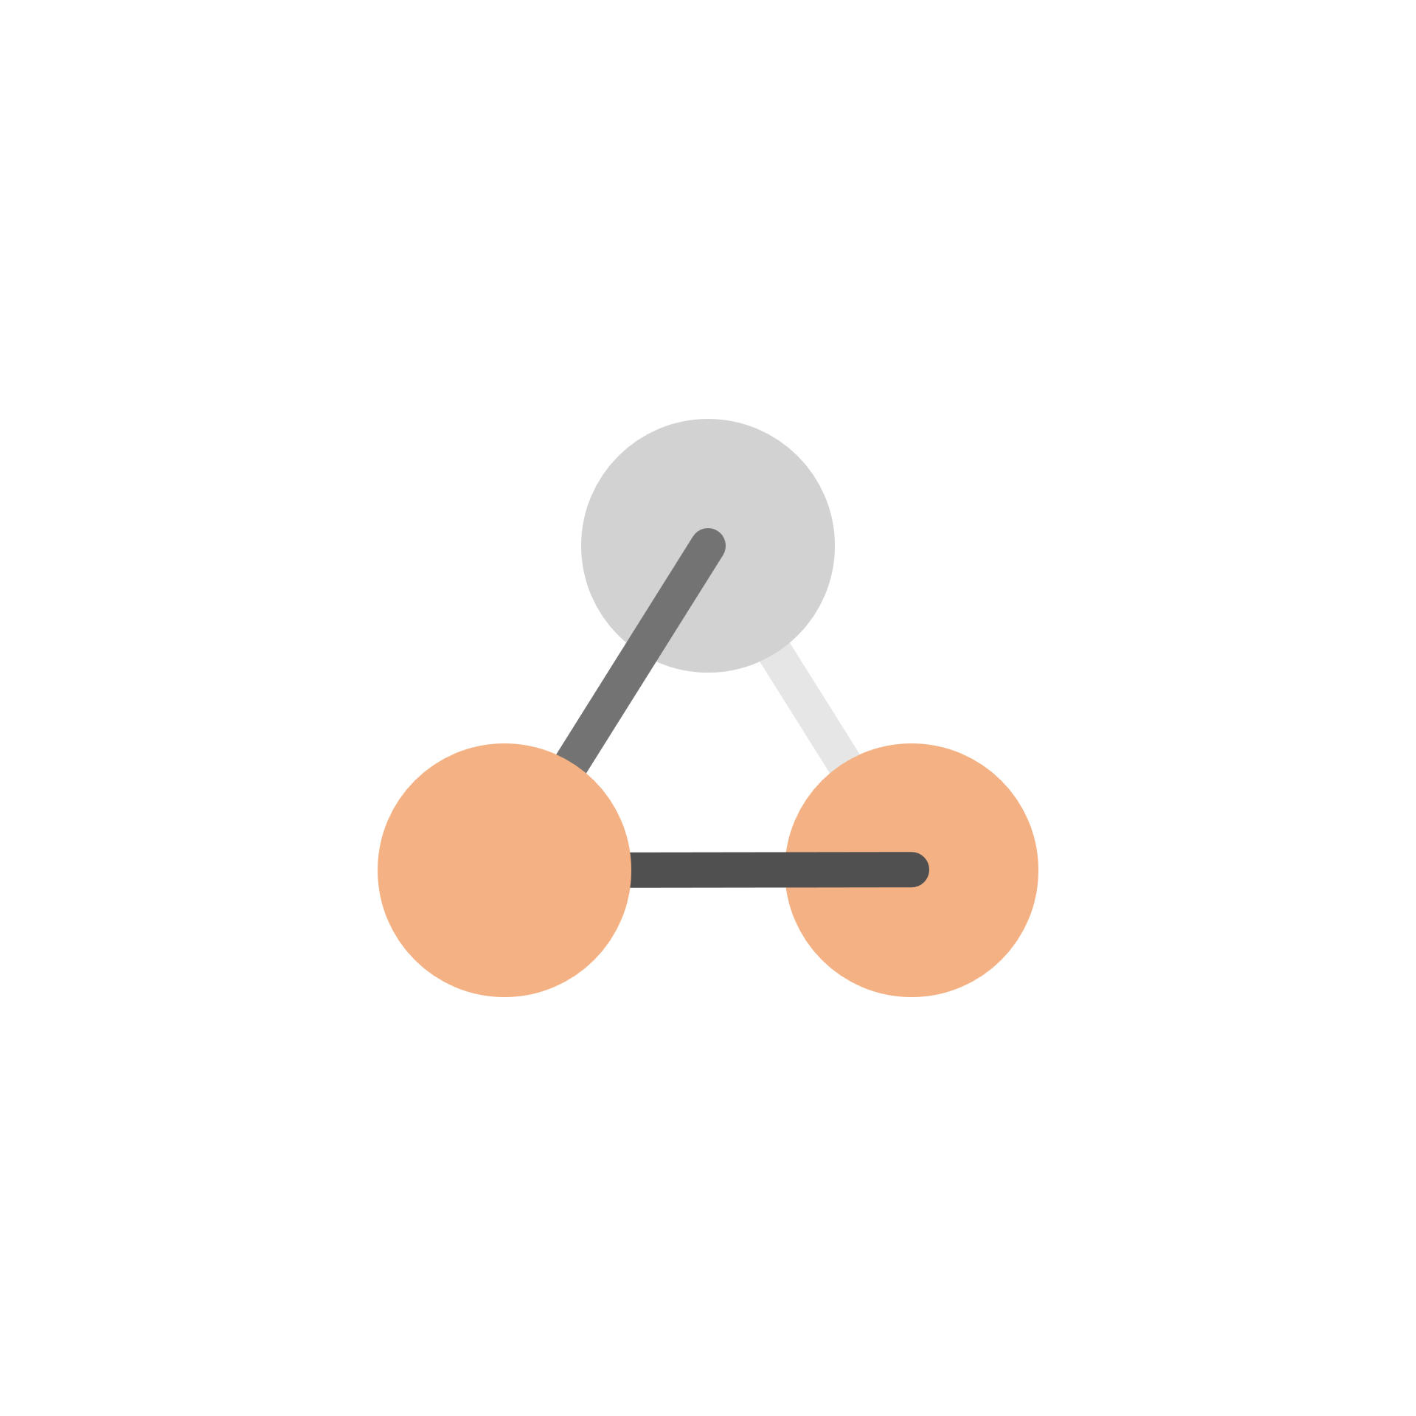

OBSERVATION 4.1

TOP 7 STATES HAVE MORE DISCHARGE RATIO
 | Total
Andhra Pradesh | 0.992
Arunachal Pradesh | 0.9943
Dadra And Nagar Haveli And Daman And Diu | 0.9995
Lakshadweep | 0.9934
Odisha | 0.99
Rajasthan | 0.9905
Tripura | 0.9894

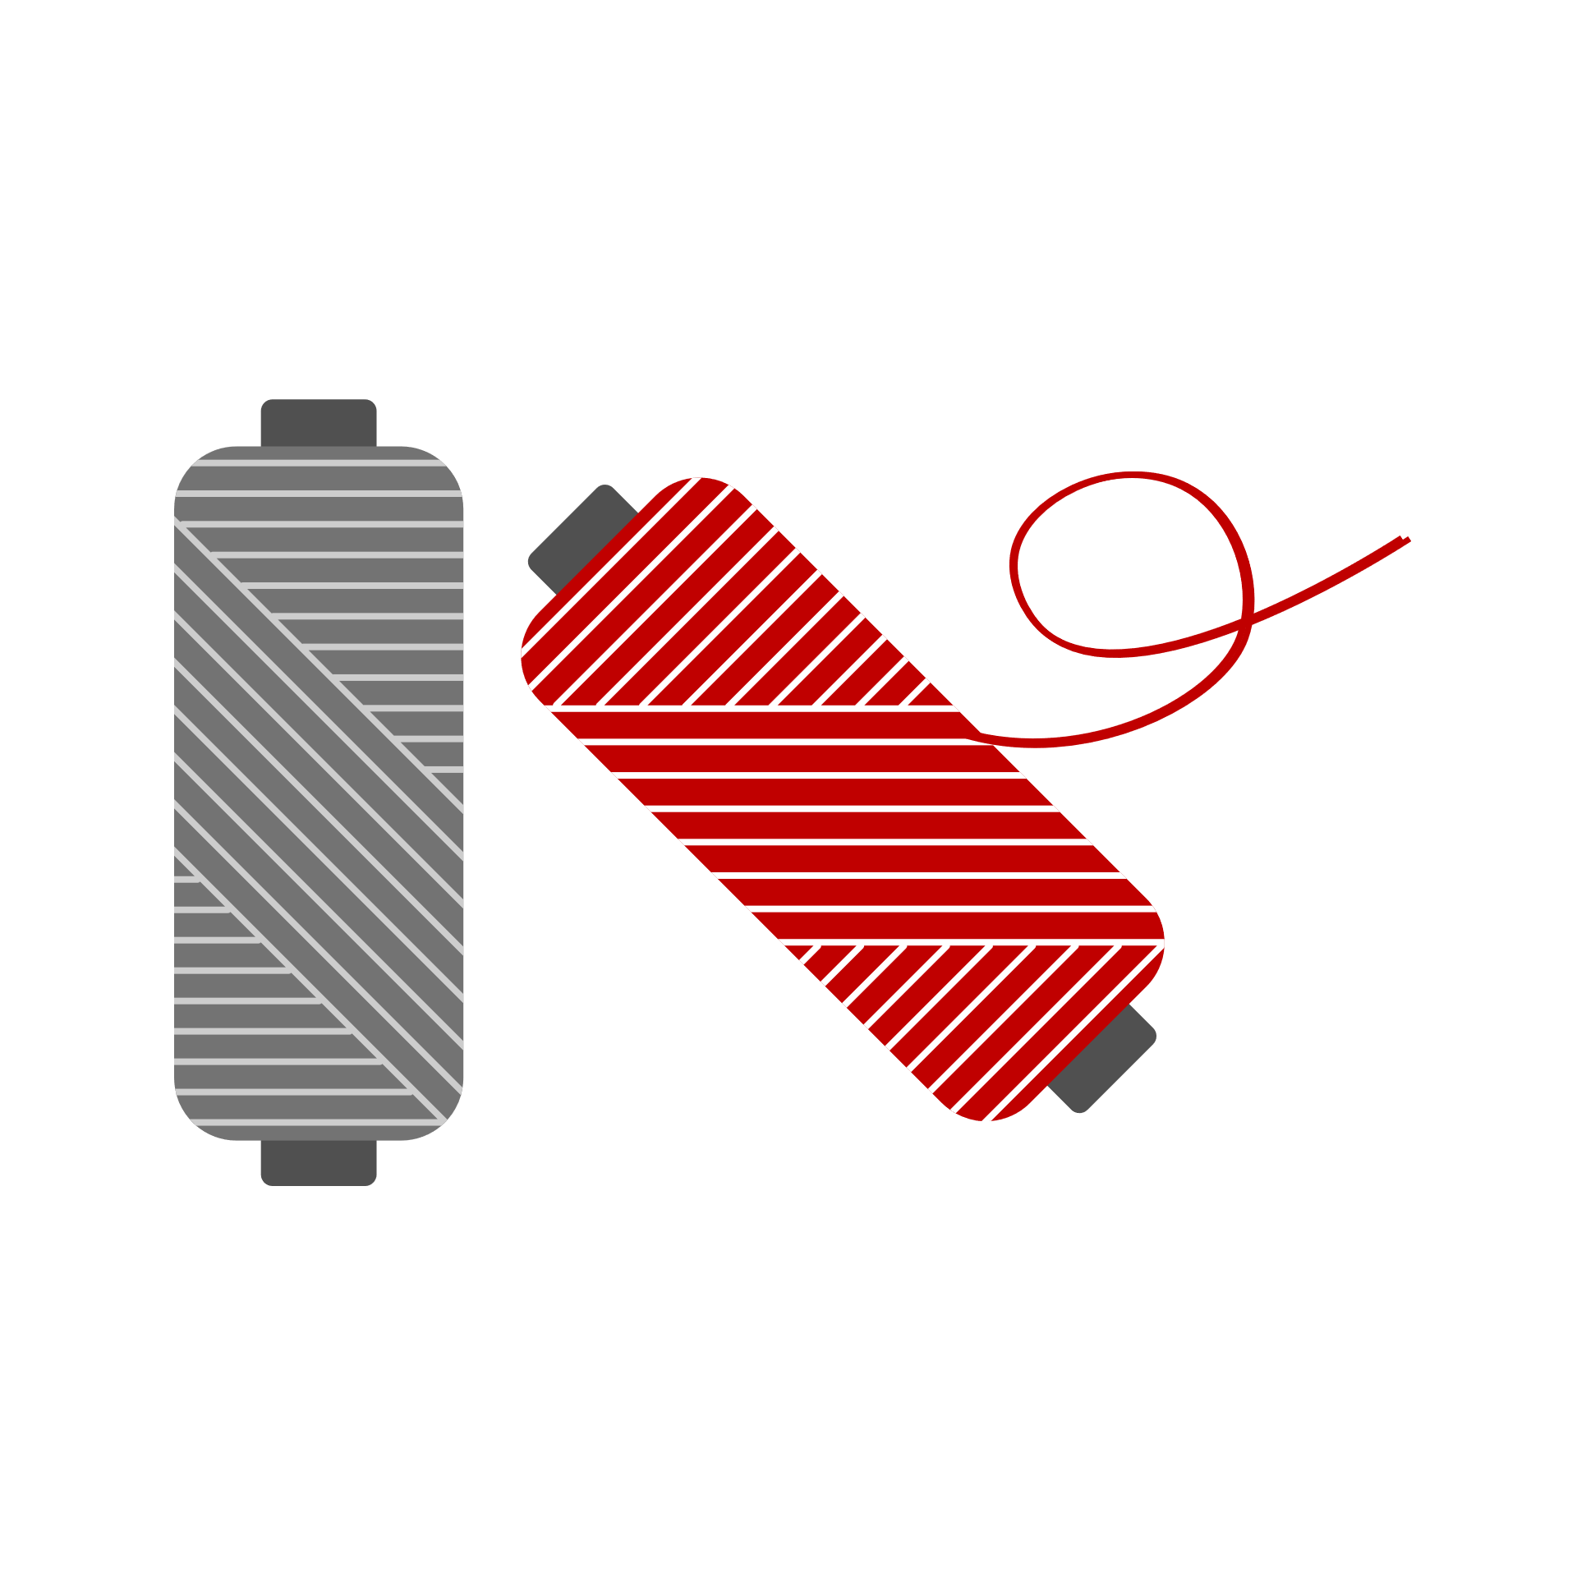

TOP 15 STATES HAVE MORE DEATH RATIO
 | Total
Andaman And Nicobar | 0.0168
Chhattisgarh | 0.0135
Delhi | 0.0174
Goa | 0.0189
Himachal Pradesh | 0.0169
Jharkhand | 0.0147
Maharashtra | 0.0212
Manipur | 0.0157
Meghalaya | 0.0174
Nagaland | 0.0217
Puducherry | 0.0145
Punjab | 0.0275
Tamil Nadu | 0.0134
Uttar Pradesh | 0.0134
Uttarakhand | 0.0215
OBSERVATION 4.2

DASH 5
DASHBOARD 5



OBSERVATION 5

LIST OF TOP 20 COUNTRIES WHICH USED DIFFERENT-DIFFERENT TYPE OF VACCINATION
 | Total
Antigua and Barbuda | 6
Argentina | 7
Bahrain | 8
Bangladesh | 8
Botswana | 6
China | 8
Djibouti | 6
Egypt | 6
El Salvador | 6
Guinea | 6
Guyana | 6
Honduras | 6
Hungary | 7
Indonesia | 6
Iran (Islamic Republic of) | 6
Jordan | 6
Lao People's Democratic Republic | 8
Libya | 7
Maldives | 8
Mexico | 7
Mongolia | 6
Nepal | 6
Nicaragua | 8
North Macedonia | 6
occupied Palestinian territory | 8
Pakistan | 8
Paraguay | 8
Philippines | 10
Republic of Moldova | 6
Rwanda | 7
Sri Lanka | 6
Syrian Arab Republic | 6
Tajikistan | 6
Thailand | 7
Tunisia | 7
Ukraine | 6
Uzbekistan | 6
Viet Nam | 6

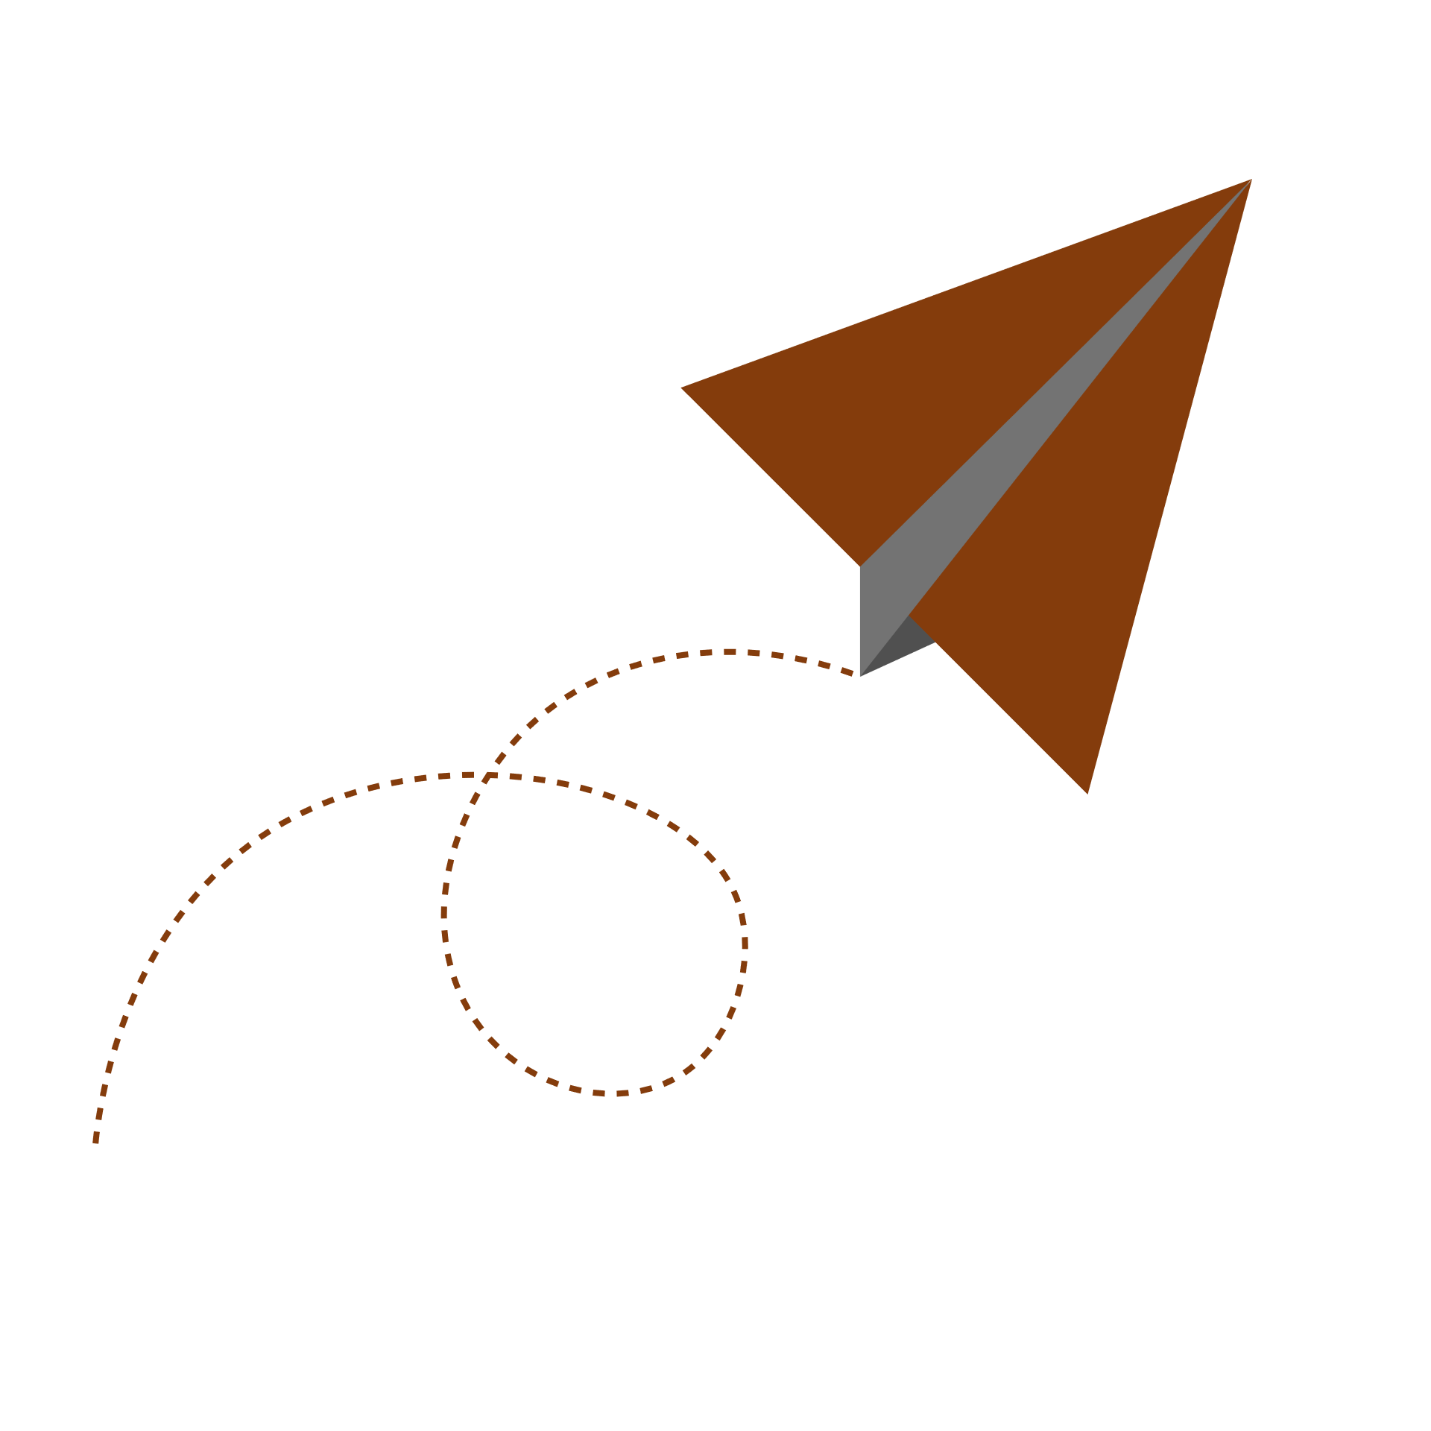
OBSERVATION 5.2

WHICH STATE TAKE HIGHER NUMBER OF FIRST DOSE
 | Total
Andaman And Nicobar | 296,217,120
Andhra Pradesh | 3,414,259,875,809
Arunachal Pradesh | 7,893,891,060
Assam | 2,091,995,631,038
Bihar | 53,211,248,227,308
Chandigarh | 937,224,679
Chhattisgarh | 1,597,898,893,638
Dadra And Nagar Haveli And Daman And Diu | 672,219,539
Delhi | 1,366,772,736,607
Goa | 1,278,480,628
Gujarat | 4,555,181,549,280
Haryana | 1,838,497,841,463
Himachal Pradesh | 57,962,446,201
Jammu And Kashmir | 95,833,403,300
Jharkhand | 1,623,398,567,072
Karnataka | 44,032,756,163,087
Kerala | 256,111,524,658
Ladakh | 211,275,149
Lakshadweep | 5,537,516
Madhya Pradesh | 50,853,289,136,129
Maharashtra | 72,097,836,341,891
Manipur | 1,273,909,959
Meghalaya | 11,556,522,638
Miscellaneous | 223,765,817
Mizoram | 727,062,876
Nagaland | 7,303,471,340
Odisha | 2,748,263,369,588
Puducherry | 7,506,782,837
Punjab | 1,641,142,820,524
Rajasthan | 4,319,734,844,554
Sikkim | 52,296,147
Tamil Nadu | 44,090,403,161,899
Telangana | 2,454,084,182,743
Tripura | 25,377,012,067
Uttar Pradesh | 107,935,318,775,119
Uttarakhand | 75,549,624,905
West Bengal | 62,215,177,226,444
(blank)



OBSERVATION 5.3

Top 10 COUNTRIES WHICH HAS HAS TAKEN MOST OF VACCINATION
 | Total
Brazil | 279,218,158
China | 2,337,700,250
India | 1,136,168,939
Indonesia | 217,436,846
Japan | 193,681,996
Mexico | 130,244,910
Pakistan | 119,875,376
Russian Federation | 114,006,989
Turkey | 118,367,035
United States of America | 479,921,913
BOTTOM 10 COUNTRIES WHICH TAKE LESS NUMBER OF VACCINATION
 | Total
Bonaire, Sint Eustatius and Saba | 7391
Burundi | 1266
Falkland Islands (Malvinas) | 4407
Montserrat | 2949
Niue | 2352
Pitcairn Islands | 74
Saba | 3131
Sint Eustatius | 2963
Tokelau | 1936
(blank)



OBSERVATION 3

 | Total
Andaman And Nicobar | 2,758,779,641
Chandigarh | 7,057,167,686
Dadra And Nagar Haveli And Daman And Diu | 4,948,751,845
Ladakh | 379,211,840
Lakshadweep | 10,413,688
Manipur | 9,759,903,825
Miscellaneous | 1,792,194,248
Mizoram | 6,220,484,533
Sikkim | 519,176,640
(blank)
TOP10 STATES WHICH TAKE BOTH THE DOSES
 | Total
Andhra Pradesh | 27,298,924,084,807
Bihar | 77,230,414,652,456
Gujarat | 37,469,340,949,233
Karnataka | 71,788,942,872,432
Madhya Pradesh | 374,912,950,943,125
Maharashtra | 109,294,990,824,313
Rajasthan | 27,525,972,089,980
Tamil Nadu | 66,793,834,349,032
Uttar Pradesh | 153,489,228,572,330
West Bengal | 89,513,173,666,345

DASH 6
DASHBOARD 6



UNEMPLOYMENT IN INDIA DUE TO COVID-19
 | Sum of URBAN AREA UNEMPLOYMENT | Sum of RURAL AREA UNEMPLOYMENT
Dec | 8.84 | 9.15
Nov | 7.07 | 6.24
Oct | 7.38 | 7.91
Sep | 8.62 | 6.06
Aug | 9.78 | 7.64
Jul | 8.32 | 6.34
Jun | 10.08 | 8.75
May | 14.72 | 10.55
Apr | 9.78 | 7.13
Mar | 7.27 | 6.15
Feb | 6.99 | 6.85
Jan | 8.09 | 5.81
OBJECTIVE 6

TOP 5 MONTHS WHICH HAVE HIGHER NUMBER OF UNEMLOYMENT IN INDIA DUE TO COVID-19
 | Total
2021 | 7.97
2021 | 11.84
2021 | 9.17
2021 | 8.32
2020 | 9.06


OBJECTIVE 6.1

Obsev 1
 |  |  | lets move forward
Row Labels | Sum of Cases - cumulative total | Sum of Deaths - cumulative total
Australia | 200654 | 1968
Grand Total | 200654 | 1968

obsser 1.2
 |  |  | dashboard
Row Labels | Sum of ACTIVE | Sum of DEATHS
Haryana | 15414 | 10053
Grand Total | 15414 | 10053

observ 1.3
Row Labels | Sum of ACTIVE RATIO | Sum of DISCHARGE RATIO | Sum of DEATH RATIO
Haryana | 0.0002 | 0.9868 | 0.013
Grand Total | 0.0002 | 0.9868 | 0.013

Obser 2.1
TOP 10 COUNTRIES HAVE ACTIVE CASE
Row Labels | Sum of Cases - cumulative total per 100000 population
Andorra | 21150.586
Czechia | 19113.799
Georgia | 20615.365
Gibraltar | 20765.19
Montenegro | 24730.202
Saint Barthélemy | 16853.819
San Marino | 17302.139
Serbia | 17885.286
Seychelles | 23520.799
Slovenia | 19346.56
Grand Total | 201283.745

observ 2.2
Most number of Death in which country
 | Deaths -cumulative total
Zimbabwe | 4,703
Zambia | 3,667
Yemen | 1,942
Wallis and Futuna | 7
Viet Nam | 24,118
Venezuela (Bolivarian Republic of) | 5,088
Vanuatu | -
Uzbekistan | 1,385
Uruguay | 6,115
United States Virgin Islands | 85
United States of America | 768,565
United Republic of Tanzania | 730
United Arab Emirates | 2,144
Ukraine | 82,913
Uganda | 3,250
Tuvalu | -
Turks and Caicos Islands | 23
Turkmenistan | -
Turkey | 75,443
Tunisia | 25,354
Trinidad and Tobago | 1,977
Tonga | -
Tokelau | -
Togo | 243
Timor-Leste | 122
The United Kingdom | 144,137
Thailand | 20,544
Tajikistan | 125
Syrian Arab Republic | 2,714
Switzerland | 10,978
Sweden | 15,126
Suriname | 1,152
Sudan | 3,114
Sri Lanka | 14,182
Spain | 87,866
South Sudan | 133
South Africa | 89,635
Somalia | 1,324
Solomon Islands | -
Slovenia | 5,411
Slovakia | 14,056
Sint Maarten | 75
Sint Eustatius | -
Singapore | 672
Sierra Leone | 121
Seychelles | 122
Serbia | 11,335
Senegal | 1,885
Saudi Arabia | 8,827
...
Name | Deaths -cumulative total

Zimbabwe | 4,703
Zambia | 3,667
Yemen | 1,942
Wallis and Futuna | 7
Viet Nam | 24,118
Venezuela (Bolivarian Republic of) | 5,088
Vanuatu | -
Uzbekistan | 1,385
Uruguay | 6,115
United States Virgin Islands | 85
United States of America | 768,565
United Republic of Tanzania | 730
United Arab Emirates | 2,144
Ukraine | 82,913
Uganda | 3,250
Tuvalu | -
Turks and Caicos Islands | 23
Turkmenistan | -
Turkey | 75,443
Tunisia | 25,354
Trinidad and Tobago | 1,977
Tonga | -
Tokelau | -
Togo | 243
Timor-Leste | 122
The United Kingdom | 144,137
Thailand | 20,544
Tajikistan | 125
Syrian Arab Republic | 2,714
Switzerland | 10,978
Sweden | 15,126
Suriname | 1,152
Sudan | 3,114
Sri Lanka | 14,182
Spain | 87,866
South Sudan | 133
South Africa | 89,635
Somalia | 1,324
Solomon Islands | -
Slovenia | 5,411
Slovakia | 14,056
Sint Maarten | 75
Sint Eustatius | -
Singapore | 672
Sierra Leone | 121
Seychelles | 122
Serbia | 11,335
Senegal | 1,885
Saudi Arabia | 8,827
Sao Tome and Principe | 56
San Marino | 93
Samoa | -
Saint Vincent and the Grenadines | 73
Saint Pierre and Miquelon | -
Saint Martin | 38
Saint Lucia | 279
Saint Kitts and Nevis | 28
Saint Helena | -
Saint Barthélemy | 4
Saba | -
Rwanda | 1,341
Russian Federation | 267,819
Romania | 55,386
Réunion | 381
Republic of Moldova | 8,915
Republic of Korea | 3,363
Qatar | 611
Puerto Rico | 3,264
Portugal | 18,353
Poland | 81,688
Pitcairn Islands | -
Philippines | 47,482
Peru | 200,894
Paraguay | 16,363
Papua New Guinea | 542
Panama | 7,354
Palau | -
Pakistan | 28,667
Other | 13
Oman | 4,113
occupied Palestinian territory, including east Jerusalem | 4,783
Norway | 1,049
Northern Mariana Islands (Commonwealth of the) | 3
North Macedonia | 7,464
Niue | -
Nigeria | 2,974
Niger | 246
Nicaragua | 212
New Zealand | 40
New Caledonia | 276
Netherlands | 19,048
Nepal | 11,513
Nauru | -
Namibia | 3,569
Myanmar | 19,041
Mozambique | 1,939
Morocco | 14,766
Montserrat | 1
Montenegro | 2,253
Mongolia | 1,836
Monaco | 36
Micronesia (Federated States of) | -
Mexico | 292,524
Mayotte | 185
Mauritius | 240
Mauritania | 822
Martinique | 704
Marshall Islands | -
Malta | 464
Mali | 601
Maldives | 248
Malaysia | 30,110
Malawi | 2,304
Madagascar | 967
Luxembourg | 862
Lithuania | 6,603
Liechtenstein | 58
Libya | 5,403
Liberia | 287
Lesotho | 662
Lebanon | 8,666
Latvia | 4,007
Lao People's Democratic Republic | 137
Kyrgyzstan | 2,732
Kuwait | 2,465
Kosovo[1] | 2,972
Kiribati | -
Kenya | 5,330
Kazakhstan | 17,732
Jordan | 11,403
Jersey | 80
Japan | 18,351
Jamaica | 2,363
Italy | 133,330
Israel | 8,178
Isle of Man | 66
Ireland | 5,609
Iraq | 23,712
Iran (Islamic Republic of) | 129,185
Indonesia | 143,766
India | 466,584
Iceland | 34
Hungary | 33,519
Honduras | 10,394
Holy See | -
Haiti | 723
Guyana | 977
Guinea-Bissau | 146
Guinea | 387
Guernsey | 23
Guatemala | 15,855
Guam | 263
Guadeloupe | 823
Grenada | 200
Greenland | -
Greece | 17,517
Gibraltar | 98
Ghana | 1,209
Germany | 99,768
Georgia | 11,679
Gambia | 342
Gabon | 274
French Polynesia | 636
French Guiana | 323
France | 116,166
Finland | 1,302
Fiji | 695
Faroe Islands | 13
Falkland Islands (Malvinas) | -
Ethiopia | 6,704
Eswatini | 1,248
Estonia | 1,763
Eritrea | 55
Equatorial Guinea | 170
El Salvador | 3,759
Egypt | 20,052
Ecuador | 33,128
Dominican Republic | 4,194
Dominica | 35
Djibouti | 186
Denmark | 2,820
Democratic Republic of the Congo | 1,104
Democratic People's Republic of Korea | -
Czechia | 32,408
Cyprus | 590
Curaçao | 177
Cuba | 8,298
Croatia | 10,438
Côte d’Ivoire | 703
Costa Rica | 7,264
Cook Islands | -
Congo | 349
Comoros | 150
Colombia | 128,138
China | 5,697
Chile | 38,161
Chad | 175
Central African Republic | 101
Cayman Islands | 4
Canada | 29,526
Cameroon | 1,791
Cambodia | 2,909
Cabo Verde | 349
Burundi | 14
Burkina Faso | 265
Bulgaria | 27,658
Brunei Darussalam | 57
British Virgin Islands | 38
Brazil | 612,782
Botswana | 2,416
Bosnia and Herzegovina | 12,338
Bonaire | 21
Bolivia (Plurinational State of) | 19,080
Bhutan | 3
Bermuda | 106
Benin | 161
Belize | 568
Belgium | 26,705
Belarus | 4,979
Barbados | 211
Bangladesh | 27,961
Bahrain | 1,394
Bahamas | 671
Azerbaijan | 7,689
Austria | 11,704
Australia | 1,968
Aruba | 173
Armenia | 7,379
Argentina | 116,382
Antigua and Barbuda | 117
Anguilla | 3
Angola | 1,730
Andorra | 130
American Samoa | -
Algeria | 6,030
Albania | 3,053
Afghanistan | 7,305

Obse 2.3
TOP 10 MOST AFFECTED COUNTRIES DUE TO COVID-19
Row Labels | Sum of Deaths - cumulative total per 100000 population
Bosnia and Herzegovina | 376.065
Brazil | 288.287
Bulgaria | 397.872
Czechia | 303.05
Georgia | 292.767
Gibraltar | 290.879
Hungary | 343.098
Montenegro | 358.723
North Macedonia | 358.264
Peru | 609.289
Grand Total | 3618.294

Obser 3
MOST NO OF CASES IN WHICH STATE
Row Labels | Sum of ACTIVE
Andaman And Nicobar | 2
Andhra Pradesh | 217,516
Arunachal Pradesh | 342
Assam | 294,333
Bihar | 405
Chandigarh | 372
Chhattisgarh | 31,015
Dadra And Nagar Haveli And Daman And Diu | 1
Delhi | 31,115
Goa | 2,462
Gujarat | 3,163
Haryana | 15,414
Himachal Pradesh | 93,166
Jammu And Kashmir | 168,437
Jharkhand | 123
Karnataka | 6,441,295
Kerala | 519,431,407
Ladakh | 2,251
Lakshadweep | 182
Madhya Pradesh | 10,414
Maharashtra | 13,028,124
Manipur | 69,811
Meghalaya | 35,659
Mizoram | 444,214
Nagaland | 1,304
Odisha | 2,123,134
Puducherry | 3,043
Punjab | 30,030
Rajasthan | 1,415
Sikkim | 1,141
Tamil Nadu | 848,452
Telengana | 3,533
Tripura | 812
Uttar Pradesh | 94
Uttarakhand | 18,015
West Bengal | 789,420
Grand Total | 544,141,616

Obser 3.1
STATE HAS MOST NUMBER OF DEATH CASE
 | Total
Andaman And Nicobar | 129
Andhra Pradesh | 144301
Arunachal Pradesh | 280
Assam | 60812
Bihar | 9663
Chandigarh | 820
Chhattisgarh | 13593
Dadra And Nagar Haveli And Daman And Diu | 4
Delhi | 25095
Goa | 3378
Gujarat | 10092
Haryana | 10053
Himachal Pradesh | 38383
Jammu And Kashmir | 44662
Jharkhand | 5140
Karnataka | 381853
Kerala | 38353308
Ladakh | 2131
Lakshadweep | 51
Madhya Pradesh | 10527
Maharashtra | 14080741
Manipur | 19652
Meghalaya | 1467
Mizoram | 4842
Nagaland | 696
Odisha | 83993
Puducherry | 1870
Punjab | 165881
Rajasthan | 8955
Sikkim | 403
Tamil Nadu | 3641514
Telengana | 39851
Tripura | 820
Uttar Pradesh | 22909
Uttarakhand | 7407
West Bengal | 1941912
(blank)
Row Labels | Sum of DEATHS
Andaman And Nicobar | 129
Andhra Pradesh | 144301
Arunachal Pradesh | 280
Assam | 60812
Bihar | 9663
Chandigarh | 820
Chhattisgarh | 13593
Dadra And Nagar Haveli And Daman And Diu | 4
Delhi | 25095
Goa | 3378
Gujarat | 10092
Haryana | 10053
Himachal Pradesh | 38383
Jammu And Kashmir | 44662
Jharkhand | 5140
Karnataka | 381853
Kerala | 38353308
Ladakh | 2131
Lakshadweep | 51
Madhya Pradesh | 10527
Maharashtra | 14080741
Manipur | 19652
Meghalaya | 1467
Mizoram | 4842
Nagaland | 696
Odisha | 83993
Puducherry | 1870
Punjab | 165881
Rajasthan | 8955
Sikkim | 403
Tamil Nadu | 3641514
Telengana | 39851
Tripura | 820
Uttar Pradesh | 22909
Uttarakhand | 7407
West Bengal | 1941912
(blank)
Grand Total | 59137188

Obser 3,2
TOP 10 MOST AFFECTED STATES DUE TO COVID-19
Row Labels | Sum of ACTIVE
Andhra Pradesh | 217,516
Assam | 294,333
Jammu And Kashmir | 168,437
Karnataka | 6,441,295
Kerala | 519,431,407
Maharashtra | 13,028,124
Mizoram | 444,214
Odisha | 2,123,134
Tamil Nadu | 848,452
West Bengal | 789,420
Grand Total | 543,786,332

observ 4
top 10 states have more active ratio

Row Labels | Sum of ACTIVE RATIO
Assam | 0.0048
Himachal Pradesh | 0.0041
Jammu And Kashmir | 0.005
Kerala | 0.0102
Ladakh | 0.0105
Manipur | 0.0056
Meghalaya | 0.0042
Mizoram | 0.0334
Nagaland | 0.0041
Telengana | 0.0052
West Bengal | 0.0049
Grand Total | 0.092

Obser 4.2
TOP 7 STATES HAVE MORE DISCHARGE RATIO

Row Labels | Sum of DISCHARGE RATIO
Andhra Pradesh | 0.992
Arunachal Pradesh | 0.9943
Dadra And Nagar Haveli And Daman And Diu | 0.9995
Lakshadweep | 0.9934
Odisha | 0.99
Rajasthan | 0.9905
Tripura | 0.9894
Grand Total | 6.9491

Observ 4.3
TOP 15 STATES HAVE MORE DEATH RATIO

Row Labels | Sum of DEATH RATIO
Andaman And Nicobar | 0.0168
Chhattisgarh | 0.0135
Delhi | 0.0174
Goa | 0.0189
Himachal Pradesh | 0.0169
Jharkhand | 0.0147
Maharashtra | 0.0212
Manipur | 0.0157
Meghalaya | 0.0174
Nagaland | 0.0217
Puducherry | 0.0145
Punjab | 0.0275
Tamil Nadu | 0.0134
Uttar Pradesh | 0.0134
Uttarakhand | 0.0215
Grand Total | 0.2645

observ 5
LIST OF TOP 20 COUNTRIES WHICH USED DIFFERENT-DIFFERENT TYPE OF VACCINATION

Row Labels | Sum of NUMBER_VACCINES_TYPES_USED
Antigua and Barbuda | 6
Argentina | 7
Bahrain | 8
Bangladesh | 8
Botswana | 6
China | 8
Djibouti | 6
Egypt | 6
El Salvador | 6
Guinea | 6
Guyana | 6
Honduras | 6
Hungary | 7
Indonesia | 6
Iran (Islamic Republic of) | 6
Jordan | 6
Lao People's Democratic Republic | 8
Libya | 7
Maldives | 8
Mexico | 7
Mongolia | 6
Nepal | 6
Nicaragua | 8
North Macedonia | 6
occupied Palestinian territory | 8
Pakistan | 8
Paraguay | 8
Philippines | 10
Republic of Moldova | 6
Rwanda | 7
Sri Lanka | 6
Syrian Arab Republic | 6
Tajikistan | 6
Thailand | 7
Tunisia | 7
Ukraine | 6
Uzbekistan | 6
Viet Nam | 6
Grand Total | 257

obser 5.1
Countries which take more no of 1st dose
 | Total
Afghanistan | 3,530,173
Albania | 1,051,658
Algeria | 6,446,373
American Samoa | 35,212
Andorra | 54,999
Angola | 6,145,451
Anguilla | 9,906
Antigua and Barbuda | 60,789
Argentina | 36,137,522
Armenia | 645,035
Aruba | 83,192
Australia | 19,541,933
Austria | 6,119,958
Azerbaijan | 5,014,018
Bahamas | 149,231
Bahrain | 1,185,754
Bangladesh | 52,507,248
Barbados | 152,195
Belarus | 3,259,591
Belgium | 8,763,583
Belize | 227,261
Benin | 339,452
Bermuda | 45,414
Bhutan | 588,307
Bolivia (Plurinational State of) | 4,852,148
Bonaire | 16,861
Bonaire, Sint Eustatius and Saba | 5,726
Bosnia and Herzegovina | 833,233
Botswana | 945,051
Brazil | 159,636,656
British Virgin Islands | 18,137
Brunei Darussalam | 378,122
Bulgaria | 1,786,530
Burkina Faso | 379,051
Burundi | 871
CÃ´te dâ€™Ivoire | 2,669,432
Cabo Verde | 303,569
Cambodia | 14,045,675
Cameroon | 704,917
Canada | 30,121,803
Cayman Islands | 57,558
Central African Republic | 362,298
Chad | 179,130
Chile | 16,752,572
China | 1,155,126,274
Colombia | 32,849,124
Comoros | 278,152
Congo | 496,643
Cook Islands | 12,600
Costa Rica | 3,821,682
...

Row Labels | Sum of PERSONS_VACCINATED_1PLUS_DOSE
Afghanistan | 3,530,173
Albania | 1,051,658
Algeria | 6,446,373
American Samoa | 35,212
Andorra | 54,999
Angola | 6,145,451
Anguilla | 9,906
Antigua and Barbuda | 60,789
Argentina | 36,137,522
Armenia | 645,035
Aruba | 83,192
Australia | 19,541,933
Austria | 6,119,958
Azerbaijan | 5,014,018
Bahamas | 149,231
Bahrain | 1,185,754
Bangladesh | 52,507,248
Barbados | 152,195
Belarus | 3,259,591
Belgium | 8,763,583
Belize | 227,261
Benin | 339,452
Bermuda | 45,414
Bhutan | 588,307
Bolivia (Plurinational State of) | 4,852,148
Bonaire | 16,861
Bonaire, Sint Eustatius and Saba | 5,726
Bosnia and Herzegovina | 833,233
Botswana | 945,051
Brazil | 159,636,656
British Virgin Islands | 18,137
Brunei Darussalam | 378,122
Bulgaria | 1,786,530
Burkina Faso | 379,051
Burundi | 871
CÃ´te dâ€™Ivoire | 2,669,432
Cabo Verde | 303,569
Cambodia | 14,045,675
Cameroon | 704,917
Canada | 30,121,803
Cayman Islands | 57,558
Central African Republic | 362,298
Chad | 179,130
Chile | 16,752,572
China | 1,155,126,274
Colombia | 32,849,124
Comoros | 278,152
Congo | 496,643
Cook Islands | 12,600
Costa Rica | 3,821,682
Croatia | 2,047,250
Cuba | 10,110,794
CuraÃ§ao | 102,165
Cyprus | 610,300
Czechia | 6,416,439
Democratic Republic of the Congo | 124,424
Denmark | 4,498,989
Djibouti | 73,592
Dominica | 28,590
Dominican Republic | 6,837,441
Ecuador | 13,233,347
Egypt | 23,649,491
El Salvador | 4,381,956
Equatorial Guinea | 245,832
Estonia | 812,416
Eswatini | 269,356
Ethiopia | 2,858,077
Falkland Islands (Malvinas) | 2,632
Faroe Islands | 40,205
Fiji | 632,505
Finland | 4,258,372
France | 51,382,867
French Guiana | 86,954
French Polynesia | 159,343
Gabon | 161,795
Gambia | 236,834
Georgia | 1,021,272
Germany | 58,264,779
Ghana | 2,328,335
Gibraltar | 40,787
Greece | 6,793,945
Greenland | 40,125
Grenada | 39,717
Guadeloupe | 134,893
Guam | 133,433
Guatemala | 5,637,669
Guernsey
Guinea | 1,643,080
Guinea-Bissau | 345,207
Guyana | 394,094
Haiti | 106,997
Honduras | 3,987,966
Hungary | 5,946,502
Iceland | 283,235
India | 755,421,684
Indonesia | 131,675,335
Iran (Islamic Republic of) | 55,637,999
Iraq | 7,055,224
Ireland | 3,835,981
Isle of Man | 68,208
Israel | 6,241,252
Italy | 46,596,579
Jamaica | 641,549
Japan | 99,092,741
Jersey | 79,346
Jordan | 4,086,580
Kazakhstan | 8,519,850
Kenya | 3,990,944
Kiribati | 57,722
Kosovo | 845,017
Kuwait
Kyrgyzstan | 1,019,190
Lao People's Democratic Republic | 3,474,145
Latvia | 1,185,587
Lebanon | 2,000,235
Lesotho | 581,857
Liberia | 494,052
Libya | 1,638,674
Liechtenstein | 25,578
Lithuania | 1,811,636
Luxembourg | 429,942
Madagascar | 473,726
Malawi | 1,037,113
Malaysia | 25,363,704
Maldives | 395,125
Mali | 492,512
Malta | 422,902
Marshall Islands | 24,630
Martinique | 134,564
Mauritania | 1,054,378
Mauritius | 913,774
Mexico | 75,577,084
Micronesia (Federated States of) | 47,485
Monaco | 26,672
Mongolia | 2,257,449
Montenegro | 258,578
Montserrat | 1,525
Morocco | 24,484,400
Mozambique | 5,919,277
Myanmar | 14,692,607
Namibia | 352,187
Nauru | 7,612
Nepal | 8,911,971
Netherlands | 12,419,385
New Caledonia | 178,199
New Zealand | 3,786,316
Nicaragua | 1,249,238
Niger | 506,083
Nigeria | 6,079,895
Niue | 1,202
North Macedonia | 809,211
Northern Mariana Islands (Commonwealth of the) | 37,745
Norway | 4,220,300
occupied Palestinian territory | 1,886,212
Oman | 2,962,504
Pakistan | 78,845,170
Palau | 17,893
Panama | 3,068,531
Papua New Guinea | 254,708
Paraguay | 3,279,439
Peru | 21,493,915
Philippines | 40,517,967
Pitcairn Islands | 37
Poland | 20,551,449
Portugal | 9,053,901
Puerto Rico | 3,017,676
Qatar
Republic of Korea | 41,960,278
Republic of Moldova | 948,882
Romania | 7,507,373
Russian Federation | 61,165,173
Rwanda | 5,061,217
Saba
Saint Helena | 4,361
Saint Kitts and Nevis | 26,851
Saint Lucia | 53,322
Saint Vincent and the Grenadines | 29,243
Samoa | 137,258
San Marino | 25,284
Sao Tome and Principe | 82,256
Saudi Arabia | 24,512,984
Senegal | 1,316,401
Serbia | 3,200,043
Seychelles | 81,669
Sierra Leone | 603,654
Singapore | 4,690,096
Sint Eustatius | 1,509
Sint Maarten | 26,750
Slovakia | 2,547,086
Slovenia | 1,200,086
Solomon Islands | 150,777
Somalia | 678,588
South Africa | 16,652,562
South Sudan | 84,839
Spain | 15,479,176
Sri Lanka | 15,888,053
Sudan | 2,271,624
Suriname | 254,967
Sweden | 7,269,577
Switzerland | 5,788,540
Syrian Arab Republic | 823,249
Tajikistan | 2,788,171
Thailand | 45,204,553
The United Kingdom | 50,582,504
Timor-Leste | 616,024
Togo | 998,792
Tokelau | 968
Tonga | 72,695
Trinidad and Tobago | 675,336
Tunisia | 6,834,560
Turkey | 55,824,402
Turkmenistan | 4,374,694
Turks and Caicos Islands | 29,210
Tuvalu | 6,230
Uganda | 3,838,439
Ukraine | 12,266,891
United Arab Emirates
United Republic of Tanzania | 353,244
United States of America | 267,333,406
Uruguay | 2,774,373
Uzbekistan | 12,651,092
Vanuatu | 89,472
Venezuela (Bolivarian Republic of) | 13,858,057
Viet Nam | 63,682,168
Wallis and Futuna | 5,996
Yemen | 537,397
Zambia | 806,611
Zimbabwe | 3,468,344
(blank)
Grand Total | 4,082,922,587

Observ 5.1.1
WHICH STATE TAKE HIGHER NUMBER OF FIRST DOSE
 | Total
Andaman And Nicobar | 296,217,120
Andhra Pradesh | 3,414,259,875,809
Arunachal Pradesh | 7,893,891,060
Assam | 2,091,995,631,038
Bihar | 53,211,248,227,308
Chandigarh | 937,224,679
Chhattisgarh | 1,597,898,893,638
Dadra And Nagar Haveli And Daman And Diu | 672,219,539
Delhi | 1,366,772,736,607
Goa | 1,278,480,628
Gujarat | 4,555,181,549,280
Haryana | 1,838,497,841,463
Himachal Pradesh | 57,962,446,201
Jammu And Kashmir | 95,833,403,300
Jharkhand | 1,623,398,567,072
Karnataka | 44,032,756,163,087
Kerala | 256,111,524,658
Ladakh | 211,275,149
Lakshadweep | 5,537,516
Madhya Pradesh | 50,853,289,136,129
Maharashtra | 72,097,836,341,891
Manipur | 1,273,909,959
Meghalaya | 11,556,522,638
Miscellaneous | 223,765,817
Mizoram | 727,062,876
Nagaland | 7,303,471,340
Odisha | 2,748,263,369,588
Puducherry | 7,506,782,837
Punjab | 1,641,142,820,524
Rajasthan | 4,319,734,844,554
Sikkim | 52,296,147
Tamil Nadu | 44,090,403,161,899
Telangana | 2,454,084,182,743
Tripura | 25,377,012,067
Uttar Pradesh | 107,935,318,775,119
Uttarakhand | 75,549,624,905
West Bengal | 62,215,177,226,444
(blank)
Row Labels | Sum of DOSE1
Andaman And Nicobar | 296,217,120
Andhra Pradesh | 3,414,259,875,809
Arunachal Pradesh | 7,893,891,060
Assam | 2,091,995,631,038
Bihar | 53,211,248,227,308
Chandigarh | 937,224,679
Chhattisgarh | 1,597,898,893,638
Dadra And Nagar Haveli And Daman And Diu | 672,219,539
Delhi | 1,366,772,736,607
Goa | 1,278,480,628
Gujarat | 4,555,181,549,280
Haryana | 1,838,497,841,463
Himachal Pradesh | 57,962,446,201
Jammu And Kashmir | 95,833,403,300
Jharkhand | 1,623,398,567,072
Karnataka | 44,032,756,163,087
Kerala | 256,111,524,658
Ladakh | 211,275,149
Lakshadweep | 5,537,516
Madhya Pradesh | 50,853,289,136,129
Maharashtra | 72,097,836,341,891
Manipur | 1,273,909,959
Meghalaya | 11,556,522,638
Miscellaneous | 223,765,817
Mizoram | 727,062,876
Nagaland | 7,303,471,340
Odisha | 2,748,263,369,588
Puducherry | 7,506,782,837
Punjab | 1,641,142,820,524
Rajasthan | 4,319,734,844,554
Sikkim | 52,296,147
Tamil Nadu | 44,090,403,161,899
Telangana | 2,454,084,182,743
Tripura | 25,377,012,067
Uttar Pradesh | 107,935,318,775,119
Uttarakhand | 75,549,624,905
West Bengal | 62,215,177,226,444
(blank)
Grand Total | 462,638,032,012,629

Obser 5.2
COUNTRY WHICH IS FULLY VACCINATED
 | Total
Afghanistan | 3,188,609
Albania | 923,369
Algeria | 4,930,443
American Samoa | 31,098
Andorra | 49,535
Angola | 2,652,808
Anguilla | 9,160
Antigua and Barbuda | 54,698
Argentina | 28,189,936
Armenia | 278,495
Aruba | 77,389
Australia | 17,835,028
Austria | 5,347,487
Azerbaijan | 4,273,454
Bahamas | 134,481
Bahrain | 1,153,488
Bangladesh | 33,735,763
Barbados | 133,458
Belarus | 2,425,501
Belgium | 8,209,714
Belize | 190,806
Benin | 297,726
Bermuda | 44,427
Bhutan | 559,839
Bolivia (Plurinational State of) | 4,027,093
Bonaire | 14,890
Bonaire, Sint Eustatius and Saba | 2,965
Bosnia and Herzegovina | 720,631
Botswana | 743,531
Brazil | 124,396,384
British Virgin Islands | 16,471
Brunei Darussalam | 295,458
Bulgaria | 1,244,920
Burkina Faso | 308,889
Burundi | 395
CÃ´te dâ€™Ivoire | 1,176,366
Cabo Verde | 236,339
Cambodia | 13,199,809
Cameroon | 504,892
Canada | 28,795,770
Cayman Islands | 55,352
Central African Republic | 321,982
Chad | 70,521
Chile | 15,853,872
China | 1,014,843,030
Colombia | 22,989,636
Comoros | 198,198
Congo | 453,302
Cook Islands | 11,726
Costa Rica | 3,030,603
...
Row Labels | Sum of PERSONS_FULLY_VACCINATED
Afghanistan | 3,188,609
Albania | 923,369
Algeria | 4,930,443
American Samoa | 31,098
Andorra | 49,535
Angola | 2,652,808
Anguilla | 9,160
Antigua and Barbuda | 54,698
Argentina | 28,189,936
Armenia | 278,495
Aruba | 77,389
Australia | 17,835,028
Austria | 5,347,487
Azerbaijan | 4,273,454
Bahamas | 134,481
Bahrain | 1,153,488
Bangladesh | 33,735,763
Barbados | 133,458
Belarus | 2,425,501
Belgium | 8,209,714
Belize | 190,806
Benin | 297,726
Bermuda | 44,427
Bhutan | 559,839
Bolivia (Plurinational State of) | 4,027,093
Bonaire | 14,890
Bonaire, Sint Eustatius and Saba | 2,965
Bosnia and Herzegovina | 720,631
Botswana | 743,531
Brazil | 124,396,384
British Virgin Islands | 16,471
Brunei Darussalam | 295,458
Bulgaria | 1,244,920
Burkina Faso | 308,889
Burundi | 395
CÃ´te dâ€™Ivoire | 1,176,366
Cabo Verde | 236,339
Cambodia | 13,199,809
Cameroon | 504,892
Canada | 28,795,770
Cayman Islands | 55,352
Central African Republic | 321,982
Chad | 70,521
Chile | 15,853,872
China | 1,014,843,030
Colombia | 22,989,636
Comoros | 198,198
Congo | 453,302
Cook Islands | 11,726
Costa Rica | 3,030,603
Croatia | 1,719,168
Cuba | 8,951,589
CuraÃ§ao | 94,120
Cyprus | 572,411
Czechia | 5,854,601
Democratic Republic of the Congo | 46,256
Denmark | 4,369,680
Djibouti | 55,787
Dominica | 26,544
Dominican Republic | 5,518,624
Ecuador | 10,687,613
Egypt | 14,022,224
El Salvador | 3,993,237
Equatorial Guinea | 195,274
Estonia | 688,794
Eswatini | 258,674
Ethiopia | 2,928,345
Falkland Islands (Malvinas) | 1,775
Faroe Islands | 38,142
Fiji | 576,311
Finland | 3,968,434
France | 45,125,686
French Guiana | 75,790
French Polynesia | 147,185
Gabon | 111,626
Gambia | 222,890
Georgia | 880,979
Germany | 52,822,220
Ghana | 834,331
Gibraltar | 39,815
Greece | 6,000,427
Greenland | 37,258
Grenada | 33,603
Guadeloupe | 125,055
Guam | 122,728
Guatemala | 3,716,249
Guernsey
Guinea | 892,615
Guinea-Bissau | 18,366
Guyana | 266,127
Haiti | 51,823
Honduras | 3,928,749
Hungary | 5,558,750
Iceland | 225,030
India | 380,747,255
Indonesia | 85,761,511
Iran (Islamic Republic of) | 42,084,168
Iraq | 4,325,757
Ireland | 3,531,853
Isle of Man | 64,761
Israel | 5,741,247
Italy | 41,860,657
Jamaica | 488,824
Japan | 94,589,255
Jersey | 74,906
Jordan | 3,682,432
Kazakhstan | 7,798,682
Kenya | 2,407,636
Kiribati | 15,190
Kosovo | 749,432
Kuwait
Kyrgyzstan | 806,123
Lao People's Democratic Republic | 2,913,160
Latvia | 835,379
Lebanon | 1,751,791
Lesotho | 572,287
Liberia | 456,623
Libya | 595,447
Liechtenstein | 24,826
Lithuania | 1,491,396
Luxembourg | 370,572
Madagascar | 425,211
Malawi | 587,303
Malaysia | 24,548,285
Maldives | 361,197
Mali | 281,485
Malta | 386,618
Marshall Islands | 21,505
Martinique | 125,229
Mauritania | 671,521
Mauritius | 878,513
Mexico | 63,690,510
Micronesia (Federated States of) | 41,898
Monaco | 23,308
Mongolia | 2,144,417
Montenegro | 225,522
Montserrat | 1,423
Morocco | 22,625,602
Mozambique | 2,971,969
Myanmar | 9,561,157
Namibia | 291,059
Nauru | 7,178
Nepal | 7,624,038
Netherlands | 10,445,767
New Caledonia | 164,607
New Zealand | 3,383,965
Nicaragua | 494,411
Niger | 456,958
Nigeria | 3,403,492
Niue | 1,150
North Macedonia | 777,645
Northern Mariana Islands (Commonwealth of the) | 35,696
Norway | 3,774,128
occupied Palestinian territory | 1,339,710
Oman | 2,309,408
Pakistan | 48,982,797
Palau | 15,625
Panama | 2,728,658
Papua New Guinea | 181,283
Paraguay | 2,557,956
Peru | 16,885,965
Philippines | 30,804,594
Pitcairn Islands | 37
Poland | 17,897,836
Portugal | 7,252,326
Puerto Rico | 2,376,812
Qatar
Republic of Korea | 40,099,131
Republic of Moldova | 619,332
Romania | 5,165,416
Russian Federation | 51,187,971
Rwanda | 2,776,069
Saba | 1,557
Saint Helena | 3,531
Saint Kitts and Nevis | 24,563
Saint Lucia | 44,789
Saint Vincent and the Grenadines | 21,506
Samoa | 86,246
San Marino | 22,335
Sao Tome and Principe | 31,995
Saudi Arabia | 22,234,458
Senegal | 918,359
Serbia | 3,047,929
Seychelles | 77,467
Sierra Leone | 302,686
Singapore | 4,635,560
Sint Eustatius | 1,454
Sint Maarten | 24,682
Slovakia | 2,353,680
Slovenia | 995,228
Solomon Islands | 43,040
Somalia | 706,505
South Africa | 13,876,443
South Sudan | 113,905
Spain | 6,867,302
Sri Lanka | 13,682,459
Sudan | 1,013,673
Suriname | 213,308
Sweden | 6,966,514
Switzerland | 5,307,152
Syrian Arab Republic | 722,839
Tajikistan | 2,271,153
Thailand | 36,504,141
The United Kingdom | 45,910,625
Timor-Leste | 401,231
Togo | 508,930
Tokelau | 968
Tonga | 44,058
Trinidad and Tobago | 631,960
Tunisia | 4,764,923
Turkey | 50,332,711
Turkmenistan | 3,206,282
Turks and Caicos Islands | 27,133
Tuvalu | 5,884
Uganda | 912,983
Ukraine | 8,662,059
United Arab Emirates
United Republic of Tanzania | 983,801
United States of America | 196,594,297
Uruguay | 2,637,306
Uzbekistan | 8,387,397
Vanuatu | 40,110
Venezuela (Bolivarian Republic of) | 9,271,857
Viet Nam | 32,875,284
Wallis and Futuna | 5,882
Yemen | 353,822
Zambia | 626,900
Zimbabwe | 2,696,516
(blank)
Grand Total | 3,104,398,883

Observ 5.2.2
WHICH STATE TAKE HIGHER NUMBER OF DOSE 2
 | Total
Andaman And Nicobar | 2,462,562,521
Andhra Pradesh | 23,884,664,208,998
Arunachal Pradesh | 5,987,583,274
Assam | 11,234,441,115,669
Bihar | 24,019,166,425,148
Chandigarh | 6,119,943,007
Chhattisgarh | 895,753,895,122
Dadra And Nagar Haveli And Daman And Diu | 4,276,532,306
Delhi | 849,004,056,394
Goa | 10,107,113,064
Gujarat | 32,914,159,399,953
Haryana | 960,434,589,902
Himachal Pradesh | 483,812,283,198
Jammu And Kashmir | 681,394,264,134
Jharkhand | 7,303,728,105,615
Karnataka | 27,756,186,709,345
Kerala | 1,656,763,140,122
Ladakh | 167,936,691
Lakshadweep | 4,876,172
Madhya Pradesh | 324,059,661,806,996
Maharashtra | 37,197,154,482,422
Manipur | 8,485,993,866
Meghalaya | 7,883,135,011
Miscellaneous | 1,568,428,431
Mizoram | 5,493,421,657
Nagaland | 5,383,542,245
Odisha | 14,847,246,149,016
Puducherry | 4,509,384,203
Punjab | 722,683,852,490
Rajasthan | 23,206,237,245,426
Sikkim | 466,880,493
Tamil Nadu | 22,703,431,187,133
Telangana | 1,226,790,497,505
Tripura | 19,720,299,864
Uttar Pradesh | 45,553,909,797,211
Uttarakhand | 478,897,749,534
West Bengal | 27,297,996,439,901
(blank)

Row Labels | Sum of DOSE2
Andaman And Nicobar | 2,462,562,521
Andhra Pradesh | 23,884,664,208,998
Arunachal Pradesh | 5,987,583,274
Assam | 11,234,441,115,669
Bihar | 24,019,166,425,148
Chandigarh | 6,119,943,007
Chhattisgarh | 895,753,895,122
Dadra And Nagar Haveli And Daman And Diu | 4,276,532,306
Delhi | 849,004,056,394
Goa | 10,107,113,064
Gujarat | 32,914,159,399,953
Haryana | 960,434,589,902
Himachal Pradesh | 483,812,283,198
Jammu And Kashmir | 681,394,264,134
Jharkhand | 7,303,728,105,615
Karnataka | 27,756,186,709,345
Kerala | 1,656,763,140,122
Ladakh | 167,936,691
Lakshadweep | 4,876,172
Madhya Pradesh | 324,059,661,806,996
Maharashtra | 37,197,154,482,422
Manipur | 8,485,993,866
Meghalaya | 7,883,135,011
Miscellaneous | 1,568,428,431
Mizoram | 5,493,421,657
Nagaland | 5,383,542,245
Odisha | 14,847,246,149,016
Puducherry | 4,509,384,203
Punjab | 722,683,852,490
Rajasthan | 23,206,237,245,426
Sikkim | 466,880,493
Tamil Nadu | 22,703,431,187,133
Telangana | 1,226,790,497,505
Tripura | 19,720,299,864
Uttar Pradesh | 45,553,909,797,211
Uttarakhand | 478,897,749,534
West Bengal | 27,297,996,439,901
(blank)
Grand Total | 630,016,155,034,039

Observ 5.3
Top 10 COUNTRIES WHICH HAS HAS TAKEN MOST OF VACCINATION

Row Labels | Sum of TOTAL_VACCINATIONS
Brazil | 279,218,158
China | 2,337,700,250
India | 1,136,168,939
Indonesia | 217,436,846
Japan | 193,681,996
Mexico | 130,244,910
Pakistan | 119,875,376
Russian Federation | 114,006,989
Turkey | 118,367,035
United States of America | 479,921,913
Grand Total | 5,126,622,412

BOTTOM 10 COUNTRIES WHICH TAKE LESS NUMBER OF VACCINATION
 | Total
Bonaire, Sint Eustatius and Saba | 7391
Burundi | 1266
Falkland Islands (Malvinas) | 4407
Montserrat | 2949
Niue | 2352
Pitcairn Islands | 74
Saba | 3131
Sint Eustatius | 2963
Tokelau | 1936
(blank)

Row Labels | Sum of TOTAL_VACCINATIONS
Bonaire, Sint Eustatius and Saba | 7391
Burundi | 1266
Falkland Islands (Malvinas) | 4407
Montserrat | 2949
Niue | 2352
Pitcairn Islands | 74
Saba | 3131
Sint Eustatius | 2963
Tokelau | 1936
(blank)
Grand Total | 26469

Observ 5.3.3
TOP10 STATES WHICH TAKE BOTH THE DOSES
Row Labels | Sum of TOTAL DOSES TAKEN
Andhra Pradesh | 27,298,924,084,807
Bihar | 77,230,414,652,456
Gujarat | 37,469,340,949,233
Karnataka | 71,788,942,872,432
Madhya Pradesh | 374,912,950,943,125
Maharashtra | 109,294,990,824,313
Rajasthan | 27,525,972,089,980
Tamil Nadu | 66,793,834,349,032
Uttar Pradesh | 153,489,228,572,330
West Bengal | 89,513,173,666,345
Grand Total | 1,035,317,773,004,053

 | Total
Andaman And Nicobar | 2,758,779,641
Chandigarh | 7,057,167,686
Dadra And Nagar Haveli And Daman And Diu | 4,948,751,845
Ladakh | 379,211,840
Lakshadweep | 10,413,688
Manipur | 9,759,903,825
Miscellaneous | 1,792,194,248
Mizoram | 6,220,484,533
Sikkim | 519,176,640
(blank)
BOTTOM 10 STATES WHICH TAKE LESS NUMBER OF BOTH THE DOSES

Row Labels | Sum of TOTAL DOSES TAKEN
Andaman And Nicobar | 2,758,779,641
Chandigarh | 7,057,167,686
Dadra And Nagar Haveli And Daman And Diu | 4,948,751,845
Ladakh | 379,211,840
Lakshadweep | 10,413,688
Manipur | 9,759,903,825
Miscellaneous | 1,792,194,248
Mizoram | 6,220,484,533
Sikkim | 519,176,640
(blank)
Grand Total | 33,446,083,946

Observ 6
UNEMPLOYMENT IN INDIA DUE TO COVID-19
Row Labels | Sum of URBAN AREA UNEMPLOYMENT | Sum of RURAL AREA UNEMPLOYMENT
2020 | 15.91 | 15.39
Dec | 8.84 | 9.15
Nov | 7.07 | 6.24
2021 | 91.03 | 73.19
Oct | 7.38 | 7.91
Sep | 8.62 | 6.06
Aug | 9.78 | 7.64
Jul | 8.32 | 6.34
Jun | 10.08 | 8.75
May | 14.72 | 10.55
Apr | 9.78 | 7.13
Mar | 7.27 | 6.15
Feb | 6.99 | 6.85
Jan | 8.09 | 5.81
Grand Total | 106.94 | 88.58

Observ 6.1
TOP 5 MONTHS WHICH HAVE HIGHER NUMBER OF UNEMLOYMENT IN INDIA DUE TO COVID-19
Row Labels | Sum of TOTAL UNENPLOYMENT IN INDIA
Apr | 7.97
2021 | 7.97
May | 11.84
2021 | 11.84
Jun | 9.17
2021 | 9.17
Aug | 8.32
2021 | 8.32
Dec | 9.06
2020 | 9.06
Grand Total | 46.36

WHO-COVID-19-global-table-data
Name | WHO Region | Cases - cumulative total | Cases - cumulative total per 100000 population | Cases - newly reported in last 7 days | Cases - newly reported in last 7 days per 100000 population | Cases - newly reported in last 24 hours | Deaths - cumulative total | Deaths - cumulative total per 100000 population | Deaths - newly reported in last 7 days | Deaths - newly reported in last 7 days per 100000 population | Deaths - newly reported in last 7 days per 100000 population
Global |  | 258164425 | 3312.1186511 | 3847308 | 49.359010574 | 662163 | 5166192 | 66.279623455 | 51781 | 0.66432397056 | 0.66432397056
United States of America | Americas | 47599296 | 14380.337 | 665092 | 200.933 | 162130 | 768565 | 232.193 | 10217 | 3.087 | 3.087
India | South-East Asia | 34535763 | 2502.584 | 69165 | 5.012 | 9283 | 466584 | 33.81 | 2431 | 0.176 | 0.176
Brazil | Americas | 22019870 | 10359.395 | 59104 | 27.806 | 2594 | 612782 | 288.287 | 1436 | 0.676 | 0.676
The United Kingdom | Europe | 9932412 | 14631.016 | 295218 | 434.873 | 42482 | 144137 | 212.322 | 978 | 1.441 | 1.441
Russian Federation | Europe | 9434393 | 6464.815 | 251855 | 172.581 | 33558 | 267819 | 183.52 | 8735 | 5.986 | 5.986
Turkey | Europe | 8624580 | 10226.079 | 167461 | 198.557 | 28170 | 75443 | 89.452 | 1470 | 1.743 | 1.743
France | Europe | 7219357 | 11099.982 | 136661 | 210.12 | 28255 | 116166 | 178.609 | 345 | 0.53 | 0.53
Iran (Islamic Republic of) | Eastern Mediterranean | 6088009 | 7248.238 | 36367 | 43.298 | 5144 | 129185 | 153.805 | 779 | 0.927 | 0.927
PROTECTED SHEET
PASSWORD FOR EXCESS:
2001
Germany | Europe | 5497795 | 6610.572 | 367845 | 442.298 | 66884 | 99768 | 119.961 | 1494 | 1.796 | 1.796
Argentina | Americas | 5315989 | 11762.137 | 8830 | 19.537 | 641 | 116382 | 257.506 | 132 | 0.292 | 0.292
Spain | Europe | 5103316 | 10781.817 | 38325 | 80.97 | 4500 | 87866 | 185.635 | 84 | 0.177 | 0.177
Colombia | Americas | 5050255 | 9925.252 | 15989 | 31.423 | 2194 | 128138 | 251.829 | 305 | 0.599 | 0.599
Italy | Europe | 4942135 | 8286.405 | 69060 | 115.792 | 10044 | 133330 | 223.552 | 437 | 0.733 | 0.733
Indonesia | South-East Asia | 4254443 | 1555.421 | 2498 | 0.913 | 451 | 143766 | 52.561 | 68 | 0.025 | 0.025
Mexico | Americas | 3864278 | 2997.127 | 10698 | 8.297 | 8 | 292524 | 226.881 | 382 | 0.296 | 0.296
Poland | Europe | 3406129 | 8973.383 | 151207 | 398.352 | 28431 | 81688 | 215.205 | 2062 | 5.432 | 5.432
Ukraine | Europe | 3367461 | 7699.912 | 104044 | 237.903 | 14325 | 82913 | 189.586 | 4159 | 9.51 | 9.51
South Africa | Africa | 2930174 | 4940.547 | 3826 | 6.451 | 0 | 89635 | 151.133 | 131 | 0.221 | 0.221
Philippines | Western Pacific | 2827820 | 2580.573 | 8516 | 7.771 | 1153 | 47482 | 43.33 | 1674 | 1.528 | 1.528
Malaysia | Western Pacific | 2597080 | 8024.1 | 40215 | 124.251 | 5594 | 30110 | 93.03 | 341 | 1.054 | 1.054
Netherlands | Europe | 2488244 | 14294.022 | 153957 | 884.425 | 23039 | 19048 | 109.424 | 265 | 1.522 | 1.522
Peru | Americas | 2225117 | 6748.535 | 9744 | 29.552 | 773 | 200894 | 609.289 | 222 | 0.673 | 0.673
Thailand | South-East Asia | 2081992 | 2982.798 | 44768 | 64.138 | 5857 | 20544 | 29.433 | 345 | 0.494 | 0.494
Iraq | Eastern Mediterranean | 2076146 | 5161.654 | 5263 | 13.085 | 898 | 23712 | 58.952 | 150 | 0.373 | 0.373
Czechia | Europe | 2044018 | 19113.799 | 113710 | 1063.313 | 25949 | 32408 | 303.05 | 653 | 6.106 | 6.106
Canada | Americas | 1770106 | 4689.997 | 17589 | 46.603 | 2315 | 29526 | 78.231 | 142 | 0.376 | 0.376
Romania | Europe | 1766987 | 9141.714 | 18419 | 95.293 | 2736 | 55386 | 286.546 | 1725 | 8.924 | 8.924
Chile | Americas | 1747065 | 9139.185 | 16609 | 86.884 | 1760 | 38161 | 199.626 | 156 | 0.816 | 0.816
Japan | Western Pacific | 1726624 | 1365.174 | 928 | 0.734 | 102 | 18351 | 14.509 | 20 | 0.016 | 0.016
Belgium | Europe | 1635675 | 14195.561 | 80106 | 695.217 | 6 | 26705 | 231.765 | 223 | 1.935 | 1.935
Bangladesh | South-East Asia | 1574948 | 956.314 | 1734 | 1.053 | 312 | 27961 | 16.978 | 27 | 0.016 | 0.016
Israel | Europe | 1340141 | 15483.041 | 3480 | 40.205 | 603 | 8178 | 94.483 | 12 | 0.139 | 0.139
Pakistan | Eastern Mediterranean | 1282509 | 580.604 | 2417 | 1.094 | 315 | 28667 | 12.978 | 49 | 0.022 | 0.022
Serbia | Europe | 1238861 | 17885.286 | 20438 | 295.061 | 3033 | 11335 | 163.642 | 384 | 5.544 | 5.544
Sweden | Europe | 1192560 | 11547.322 | 7476 | 72.389 | 951 | 15126 | 146.462 | 6 | 0.058 | 0.058
Viet Nam | Western Pacific | 1143967 | 1175.245 | 98570 | 101.265 | 39132 | 24118 | 24.777 | 848 | 0.871 | 0.871
Portugal | Europe | 1126318 | 10939.471 | 16163 | 156.985 | 2560 | 18353 | 178.255 | 79 | 0.767 | 0.767
Austria | Europe | 1078520 | 12116.754 | 98419 | 1105.699 | 10665 | 11704 | 131.49 | 224 | 2.517 | 2.517
Kazakhstan | Europe | 1048550 | 5584.313 | 7626 | 40.614 | 1055 | 17732 | 94.436 | 157 | 0.836 | 0.836
Hungary | Europe | 1044852 | 10695.012 | 68420 | 700.341 | 12637 | 33519 | 343.098 | 1005 | 10.287 | 10.287
Cuba | Americas | 961276 | 8486.877 | 1969 | 17.384 | 234 | 8298 | 73.261 | 14 | 0.124 | 0.124
Switzerland | Europe | 957769 | 11066.566 | 29930 | 345.827 | 5 | 10978 | 126.846 | 43 | 0.497 | 0.497
Morocco | Eastern Mediterranean | 949133 | 2571.44 | 742 | 2.01 | 157 | 14766 | 40.005 | 19 | 0.051 | 0.051
Jordan | Eastern Mediterranean | 923722 | 9053.316 | 25040 | 245.415 | 4549 | 11403 | 111.76 | 124 | 1.215 | 1.215
Greece | Europe | 894555 | 8345.847 | 47367 | 441.915 | 8348 | 17517 | 163.427 | 594 | 5.542 | 5.542
Georgia | Europe | 822383 | 20615.365 | 26536 | 665.2 | 3201 | 11679 | 292.767 | 467 | 11.707 | 11.707
Nepal | South-East Asia | 820004 | 2814.323 | 1969 | 6.758 | 305 | 11513 | 39.514 | 30 | 0.103 | 0.103
United Arab Emirates | Eastern Mediterranean | 741570 | 7497.875 | 496 | 5.015 | 70 | 2144 | 21.678 | 0 | 0 | 0
Tunisia | Eastern Mediterranean | 716609 | 6063.39 | 791 | 6.693 | 311 | 25354 | 214.526 | 34 | 0.288 | 0.288
Bulgaria | Europe | 679983 | 9781.842 | 17244 | 248.062 | 3233 | 27658 | 397.872 | 982 | 14.126 | 14.126
Lebanon | Eastern Mediterranean | 660442 | 9676.175 | 6374 | 93.386 | 482 | 8666 | 126.966 | 70 | 1.026 | 1.026
Belarus | Europe | 643372 | 6808.659 | 12347 | 130.665 | 1453 | 4979 | 52.692 | 104 | 1.101 | 1.101
Slovakia | Europe | 631738 | 11574.802 | 53530 | 980.785 | 10315 | 14056 | 257.536 | 369 | 6.761 | 6.761
Guatemala | Americas | 614910 | 3432.266 | 4876 | 27.217 | 960 | 15855 | 88.498 | 125 | 0.698 | 0.698
Azerbaijan | Europe | 576703 | 5687.869 | 12763 | 125.878 | 1904 | 7689 | 75.835 | 187 | 1.844 | 1.844
Croatia | Europe | 576633 | 14209.205 | 32303 | 796 | 4926 | 10438 | 257.21 | 452 | 11.138 | 11.138
Costa Rica | Americas | 565952 | 11109.911 | 1290 | 25.323 | 71 | 7264 | 142.596 | 41 | 0.805 | 0.805
Sri Lanka | South-East Asia | 558860 | 2609.88 | 5138 | 23.994 | 0 | 14182 | 66.23 | 125 | 0.584 | 0.584
Saudi Arabia | Eastern Mediterranean | 549556 | 1578.555 | 259 | 0.744 | 38 | 8827 | 25.355 | 9 | 0.026 | 0.026
Ireland | Europe | 538255 | 10842.21 | 30842 | 621.258 | 3661 | 5609 | 112.984 | 43 | 0.866 | 0.866
Bolivia (Plurinational State of) | Americas | 530369 | 4543.545 | 6108 | 52.326 | 883 | 19080 | 163.454 | 58 | 0.497 | 0.497
Ecuador | Americas | 524432 | 2972.456 | 2040 | 11.563 | 79 | 33128 | 187.768 | 30 | 0.17 | 0.17
Myanmar | South-East Asia | 519102 | 954.06 | 3543 | 6.512 | 0 | 19041 | 34.996 | 66 | 0.121 | 0.121
Panama | Americas | 476129 | 11034.872 | 1394 | 32.308 | 132 | 7354 | 170.438 | 8 | 0.185 | 0.185
Paraguay | Americas | 462331 | 6481.998 | 328 | 4.599 | 48 | 16363 | 229.413 | 23 | 0.322 | 0.322
Lithuania | Europe | 460467 | 16480.035 | 12163 | 435.312 | 2169 | 6603 | 236.32 | 198 | 7.086 | 7.086
occupied Palestinian territory, including east Jerusalem | Eastern Mediterranean | 458956 | 8996.643 | 1479 | 28.992 | 258 | 4783 | 93.758 | 19 | 0.372 | 0.372
Denmark | Europe | 458001 | 7865.699 | 27110 | 465.587 | 4199 | 2820 | 48.431 | 39 | 0.67 | 0.67
Venezuela (Bolivarian Republic of) | Americas | 426014 | 1498.153 | 5514 | 19.391 | 801 | 5088 | 17.893 | 54 | 0.19 | 0.19
Republic of Korea | Western Pacific | 425065 | 829.085 | 22292 | 43.48 | 4116 | 3363 | 6.559 | 205 | 0.4 | 0.4
Kuwait | Eastern Mediterranean | 413177 | 9674.983 | 127 | 2.974 | 12 | 2465 | 57.721 | 3 | 0.07 | 0.07
Slovenia | Europe | 405477 | 19346.56 | 21727 | 1036.662 | 3394 | 5411 | 258.176 | 38 | 1.813 | 1.813
Dominican Republic | Americas | 404284 | 3726.838 | 6266 | 57.762 | 846 | 4194 | 38.662 | 20 | 0.184 | 0.184
Uruguay | Americas | 397990 | 11457.137 | 1313 | 37.798 | 149 | 6115 | 176.036 | 13 | 0.374 | 0.374
Honduras | Americas | 377527 | 3811.63 | 425 | 4.291 | 107 | 10394 | 104.941 | 32 | 0.323 | 0.323
Mongolia | Western Pacific | 374386 | 11420.161 | 0 | 0 | 0 | 1836 | 56.005 | 10 | 0.305 | 0.305
Ethiopia | Africa | 370522 | 322.295 | 1278 | 1.112 | 190 | 6704 | 5.831 | 66 | 0.057 | 0.057
Libya | Eastern Mediterranean | 368987 | 5369.98 | 3157 | 45.945 | 595 | 5403 | 78.632 | 84 | 1.222 | 1.222
Republic of Moldova | Europe | 359401 | 8909.378 | 4646 | 115.172 | 544 | 8915 | 220.999 | 313 | 7.759 | 7.759
Egypt | Eastern Mediterranean | 352123 | 344.091 | 6275 | 6.132 | 856 | 20052 | 19.595 | 416 | 0.407 | 0.407
Armenia | Europe | 335738 | 11330.121 | 4843 | 163.436 | 860 | 7379 | 249.018 | 226 | 7.627 | 7.627
Oman | Eastern Mediterranean | 304509 | 5963.017 | 68 | 1.332 | 10 | 4113 | 80.542 | 0 | 0 | 0
Bahrain | Eastern Mediterranean | 277444 | 16305.129 | 182 | 10.696 | 23 | 1394 | 81.924 | 1 | 0.059 | 0.059
Bosnia and Herzegovina | Europe | 270498 | 8244.842 | 4556 | 138.868 | 594 | 12338 | 376.065 | 225 | 6.858 | 6.858
Singapore | Western Pacific | 255431 | 4366.087 | 14090 | 240.841 | 1782 | 672 | 11.487 | 60 | 1.026 | 1.026
Kenya | Africa | 254781 | 473.823 | 397 | 0.738 | 53 | 5330 | 9.912 | 8 | 0.015 | 0.015
Latvia | Europe | 247758 | 12987.432 | 5919 | 310.273 | 1293 | 4007 | 210.046 | 211 | 11.061 | 11.061
Norway | Europe | 246817 | 4598.292 | 12106 | 225.539 | 223 | 1049 | 19.543 | 59 | 1.099 | 1.099
Qatar | Eastern Mediterranean | 242375 | 8412.723 | 997 | 34.605 | 147 | 611 | 21.208 | 0 | 0 | 0
Estonia | Europe | 219259 | 16498.342 | 4763 | 358.396 | 655 | 1763 | 132.659 | 56 | 4.214 | 4.214
Nigeria | Africa | 213677 | 103.656 | 356 | 0.173 | 88 | 2974 | 1.443 | 1 | 0 | 0
North Macedonia | Europe | 212865 | 10217.291 | 2894 | 138.909 | 490 | 7464 | 358.264 | 100 | 4.8 | 4.8
Zambia | Africa | 210090 | 1142.79 | 82 | 0.446 | 17 | 3667 | 19.947 | 1 | 0.005 | 0.005
Algeria | Africa | 209283 | 477.259 | 1038 | 2.367 | 172 | 6030 | 13.751 | 33 | 0.075 | 0.075
Australia | Western Pacific | 200654 | 786.882 | 9058 | 35.522 | 1023 | 1968 | 7.718 | 70 | 0.275 | 0.275
Albania | Europe | 197167 | 6851.31 | 3311 | 115.053 | 556 | 3053 | 106.088 | 49 | 1.703 | 1.703
Botswana | Africa | 194652 | 8277.333 | 523 | 22.24 | 0 | 2416 | 102.737 | 0 | 0 | 0
Uzbekistan | Europe | 191956 | 573.53 | 1624 | 4.852 | 206 | 1385 | 4.138 | 21 | 0.063 | 0.063
Puerto Rico | Americas | 187485 | 6553.465 | 866 | 30.271 | 7 | 3264 | 114.092 | 6 | 0.21 | 0.21
Kyrgyzstan | Europe | 182996 | 2804.884 | 391 | 5.993 | 43 | 2732 | 41.875 | 20 | 0.307 | 0.307
Finland | Europe | 179534 | 3249.312 | 6154 | 111.379 | 478 | 1302 | 23.564 | 3 | 0.054 | 0.054
Kosovo[1] | Europe | 160988 | 8965.364 | 74 | 4.121 | 15 | 2972 | 165.51 | 2 | 0.111 | 0.111
Afghanistan | Eastern Mediterranean | 157015 | 403.344 | 366 | 0.94 | 54 | 7305 | 18.765 | 10 | 0.026 | 0.026
Montenegro | Europe | 155321 | 24730.202 | 2422 | 385.631 | 350 | 2253 | 358.723 | 37 | 5.891 | 5.891
Mozambique | Africa | 151495 | 484.7 | 38 | 0.122 | 3 | 1939 | 6.204 | 3 | 0.01 | 0.01
Zimbabwe | Africa | 133707 | 899.601 | 202 | 1.359 | 33 | 4703 | 31.642 | 5 | 0.034 | 0.034
Cyprus | Europe | 131028 | 14755.322 | 2604 | 293.242 | 437 | 590 | 66.441 | 2 | 0.225 | 0.225
Ghana | Africa | 130920 | 421.331 | 193 | 0.621 | 93 | 1209 | 3.891 | 2 | 0.006 | 0.006
Namibia | Africa | 129105 | 5081.064 | 38 | 1.496 | 0 | 3569 | 140.462 | 4 | 0.157 | 0.157
China | Western Pacific | 127572 | 8.671 | 241 | 0.016 | 35 | 5697 | 0.387 | 0 | 0 | 0
Uganda | Africa | 127305 | 278.317 | 259 | 0.566 | 37 | 3250 | 7.105 | 6 | 0.013 | 0.013
Cambodia | Western Pacific | 119943 | 717.407 | 307 | 1.836 | 39 | 2909 | 17.399 | 33 | 0.197 | 0.197
El Salvador | Americas | 118041 | 1819.878 | 0 | 0 | 0 | 3759 | 57.954 | 24 | 0.37 | 0.37
Cameroon | Africa | 106794 | 402.3 | 604 | 2.275 | 604 | 1791 | 6.747 | 21 | 0.079 | 0.079
Rwanda | Africa | 100255 | 774.037 | 91 | 0.703 | 23 | 1341 | 10.353 | 3 | 0.023 | 0.023
Maldives | South-East Asia | 90944 | 16824.532 | 678 | 125.429 | 0 | 248 | 45.88 | 0 | 0 | 0
Jamaica | Americas | 90855 | 3068.216 | 514 | 17.358 | 48 | 2363 | 79.8 | 32 | 1.081 | 1.081
Luxembourg | Europe | 86796 | 13862.784 | 1926 | 307.615 | 159 | 862 | 137.676 | 2 | 0.319 | 0.319
Senegal | Africa | 73970 | 441.772 | 11 | 0.066 | 1 | 1885 | 11.258 | 2 | 0.012 | 0.012
Trinidad and Tobago | Americas | 66293 | 4736.947 | 3623 | 258.88 | 404 | 1977 | 141.266 | 107 | 7.646 | 7.646
Angola | Africa | 65061 | 197.957 | 121 | 0.368 | 28 | 1730 | 5.264 | 1 | 0.003 | 0.003
Lao People's Democratic Republic | Western Pacific | 64482 | 886.282 | 8158 | 112.129 | 1323 | 137 | 1.883 | 27 | 0.371 | 0.371
Malawi | Africa | 61865 | 323.393 | 19 | 0.099 | 2 | 2304 | 12.044 | 2 | 0.01 | 0.01
Côte d’Ivoire | Africa | 61652 | 233.723 | 129 | 0.489 | 61 | 703 | 2.665 | 1 | 0.004 | 0.004
Réunion | Africa | 59048 | 6595.243 | 1875 | 209.424 | 1875 | 381 | 42.555 | 2 | 0.223 | 0.223
Democratic Republic of the Congo | Africa | 58060 | 64.827 | 257 | 0.287 | 31 | 1104 | 1.233 | 5 | 0.006 | 0.006
Guadeloupe | Americas | 55080 | 13765.733 | 226 | 56.482 | 0 | 823 | 205.686 | 1 | 0.25 | 0.25
Fiji | Western Pacific | 52468 | 5852.897 | 32 | 3.57 | 0 | 695 | 77.528 | 1 | 0.112 | 0.112
Suriname | Americas | 50531 | 8613.748 | 361 | 61.538 | 67 | 1152 | 196.375 | 13 | 2.216 | 2.216
Syrian Arab Republic | Eastern Mediterranean | 47448 | 271.121 | 884 | 5.051 | 117 | 2714 | 15.508 | 37 | 0.211 | 0.211
Eswatini | Africa | 46498 | 4007.882 | 17 | 1.465 | 7 | 1248 | 107.571 | 3 | 0.259 | 0.259
French Guiana | Americas | 45731 | 15310.933 | 229 | 76.67 | 56 | 323 | 108.142 | 1 | 0.335 | 0.335
French Polynesia | Western Pacific | 45609 | 16236.277 | 8 | 2.848 | 0 | 636 | 226.409 | 0 | 0 | 0
Martinique | Americas | 44828 | 11945.692 | 866 | 230.77 | 210 | 704 | 187.601 | 4 | 1.066 | 1.066
Madagascar | Africa | 44072 | 159.156 | 400 | 1.445 | 0 | 967 | 3.492 | 3 | 0.011 | 0.011
Sudan | Eastern Mediterranean | 41959 | 95.689 | 401 | 0.914 | 69 | 3114 | 7.102 | 27 | 0.062 | 0.062
Malta | Europe | 38844 | 7548.915 | 523 | 101.639 | 71 | 464 | 90.173 | 2 | 0.389 | 0.389
Mauritania | Africa | 38796 | 834.384 | 518 | 11.141 | 97 | 822 | 17.679 | 14 | 0.301 | 0.301
Cabo Verde | Africa | 38336 | 6895.125 | 34 | 6.115 | 5 | 349 | 62.771 | 0 | 0 | 0
Guyana | Americas | 37356 | 4749.336 | 529 | 67.256 | 31 | 977 | 124.213 | 18 | 2.288 | 2.288
Gabon | Africa | 37158 | 1669.472 | 371 | 16.669 | 0 | 274 | 12.311 | 6 | 0.27 | 0.27
Papua New Guinea | Western Pacific | 34707 | 387.917 | 1653 | 18.475 | 133 | 542 | 6.058 | 106 | 1.185 | 1.185
Guinea | Africa | 30747 | 234.124 | 32 | 0.244 | 0 | 387 | 2.947 | 0 | 0 | 0
Belize | Americas | 29682 | 7464.766 | 577 | 145.111 | 181 | 568 | 142.847 | 24 | 6.036 | 6.036
United Republic of Tanzania | Africa | 26261 | 43.963 | 34 | 0.057 | 0 | 730 | 1.222 | 3 | 0.005 | 0.005
Togo | Africa | 26219 | 316.703 | 52 | 0.628 | 9 | 243 | 2.935 | 0 | 0 | 0
Haiti | Americas | 24974 | 219.022 | 206 | 1.807 | 0 | 723 | 6.341 | 12 | 0.105 | 0.105
Benin | Africa | 24850 | 204.979 | 23 | 0.19 | 4 | 161 | 1.328 | 0 | 0 | 0
Barbados | Americas | 23944 | 8331.97 | 1628 | 566.507 | 149 | 211 | 73.423 | 17 | 5.916 | 5.916
Seychelles | Africa | 23132 | 23520.799 | 351 | 356.9 | 114 | 122 | 124.051 | 8 | 8.134 | 8.134
Somalia | Eastern Mediterranean | 22969 | 144.521 | 132 | 0.831 | 0 | 1324 | 8.331 | 11 | 0.069 | 0.069
Bahamas | Americas | 22665 | 5763.597 | 52 | 13.223 | 0 | 671 | 170.632 | 2 | 0.509 | 0.509
Lesotho | Africa | 21735 | 1014.588 | 38 | 1.774 | 4 | 662 | 30.902 | 1 | 0.047 | 0.047
Mayotte | Africa | 20914 | 7666.001 | 124 | 45.452 | 54 | 185 | 67.812 | 0 | 0 | 0
Burundi | Africa | 20351 | 171.149 | 46 | 0.387 | 0 | 14 | 0.118 | 0 | 0 | 0
Timor-Leste | South-East Asia | 19820 | 1503.286 | 7 | 0.531 | 0 | 122 | 9.253 | 0 | 0 | 0
Mauritius | Africa | 18979 | 1492.332 | 0 | 0 | 0 | 240 | 18.871 | 0 | 0 | 0
Congo | Africa | 18837 | 341.368 | 298 | 5.4 | 0 | 349 | 6.325 | 18 | 0.326 | 0.326
Tajikistan | Europe | 17493 | 183.41 | 4 | 0.042 | 0 | 125 | 1.311 | 0 | 0 | 0
Curaçao | Americas | 17335 | 10564.131 | 101 | 61.55 | 14 | 177 | 107.866 | 2 | 1.219 | 1.219
Iceland | Europe | 17152 | 4710.354 | 1038 | 285.06 | 150 | 34 | 9.337 | 0 | 0 | 0
Mali | Africa | 17025 | 84.071 | 308 | 1.521 | 61 | 601 | 2.968 | 12 | 0.059 | 0.059
Andorra | Europe | 16342 | 21150.586 | 413 | 534.524 | 43 | 130 | 168.252 | 0 | 0 | 0
Aruba | Americas | 16210 | 15182.736 | 121 | 113.332 | 8 | 173 | 162.037 | 1 | 0.937 | 0.937
Burkina Faso | Africa | 15514 | 74.218 | 0 | 0 | 0 | 265 | 1.268 | 0 | 0 | 0
Guam | Western Pacific | 15090 | 8940.898 | 62 | 36.735 | 10 | 263 | 155.829 | 3 | 1.778 | 1.778
Brunei Darussalam | Western Pacific | 14701 | 3360.39 | 410 | 93.719 | 71 | 57 | 13.029 | 0 | 0 | 0
Equatorial Guinea | Africa | 13547 | 965.584 | 28 | 1.996 | 9 | 170 | 12.117 | 1 | 0.071 | 0.071
Djibouti | Eastern Mediterranean | 13503 | 1366.7 | 6 | 0.607 | 2 | 186 | 18.826 | 0 | 0 | 0
Nicaragua | Americas | 13330 | 201.221 | 88 | 1.328 | 88 | 212 | 3.2 | 1 | 0.015 | 0.015
Jersey | Europe | 13223 | 12266.689 | 832 | 771.828 | 189 | 80 | 74.214 | 0 | 0 | 0
Saint Lucia | Americas | 12909 | 7030.012 | 65 | 35.398 | 5 | 279 | 151.938 | 9 | 4.901 | 4.901
South Sudan | Africa | 12701 | 113.465 | 104 | 0.929 | 17 | 133 | 1.188 | 0 | 0 | 0
New Caledonia | Western Pacific | 11954 | 4187.07 | 256 | 89.668 | 45 | 276 | 96.673 | 3 | 1.051 | 1.051
Central African Republic | Africa | 11708 | 242.413 | 42 | 0.87 | 0 | 101 | 2.091 | 0 | 0 | 0
Isle of Man | Europe | 10720 | 12607.019 | 366 | 430.426 | 70 | 66 | 77.618 | 2 | 2.352 | 2.352
New Zealand | Western Pacific | 10241 | 212.37 | 1319 | 27.352 | 216 | 40 | 0.829 | 5 | 0.104 | 0.104
Gambia | Africa | 9988 | 413.296 | 2 | 0.083 | 0 | 342 | 14.152 | 1 | 0.041 | 0.041
Yemen | Eastern Mediterranean | 9967 | 33.417 | 20 | 0.067 | 6 | 1942 | 6.511 | 13 | 0.044 | 0.044
United States Virgin Islands | Americas | 7466 | 7149.629 | 86 | 82.356 | 0 | 85 | 81.398 | 1 | 0.958 | 0.958
Eritrea | Africa | 7223 | 203.67 | 147 | 4.145 | 35 | 55 | 1.551 | 3 | 0.085 | 0.085
Gibraltar | Europe | 6996 | 20765.19 | 362 | 1074.471 | 52 | 98 | 290.879 | 0 | 0 | 0
Niger | Africa | 6877 | 28.41 | 151 | 0.624 | 26 | 246 | 1.016 | 11 | 0.045 | 0.045
Guinea-Bissau | Africa | 6437 | 327.083 | 6 | 0.305 | 3 | 146 | 7.419 | 0 | 0 | 0
Sierra Leone | Africa | 6400 | 80.231 | 0 | 0 | 0 | 121 | 1.517 | 0 | 0 | 0
Cayman Islands | Americas | 6091 | 9268.107 | 1888 | 2872.794 | 559 | 4 | 6.086 | 2 | 3.043 | 3.043
Grenada | Americas | 5876 | 5222.043 | 11 | 9.776 | 3 | 200 | 177.741 | 0 | 0 | 0
San Marino | Europe | 5872 | 17302.139 | 160 | 471.448 | 39 | 93 | 274.029 | 1 | 2.947 | 2.947
Liberia | Africa | 5819 | 115.053 | 1 | 0.02 | 0 | 287 | 5.675 | 0 | 0 | 0
Bermuda | Americas | 5724 | 9191.785 | 11 | 17.664 | 0 | 106 | 170.218 | 0 | 0 | 0
Dominica | Americas | 5642 | 7837.091 | 201 | 279.202 | 0 | 35 | 48.617 | 0 | 0 | 0
Saint Vincent and the Grenadines | Americas | 5414 | 4880.115 | 88 | 79.322 | 0 | 73 | 65.801 | 1 | 0.901 | 0.901
Chad | Africa | 5107 | 31.091 | 0 | 0 | 0 | 175 | 1.065 | 0 | 0 | 0
Sint Maarten | Americas | 4561 | 10636.164 | 19 | 44.308 | 0 | 75 | 174.899 | 0 | 0 | 0
Comoros | Africa | 4466 | 513.569 | 57 | 6.555 | 9 | 150 | 17.249 | 1 | 0.115 | 0.115
Liechtenstein | Europe | 4396 | 11345.394 | 325 | 838.775 | 0 | 58 | 149.689 | 0 | 0 | 0
Antigua and Barbuda | Americas | 4136 | 4223.468 | 14 | 14.296 | 1 | 117 | 119.474 | 10 | 10.211 | 10.211
Saint Martin | Americas | 4013 | 10380.506 | 20 | 51.734 | 0 | 38 | 98.295 | 0 | 0 | 0
Sao Tome and Principe | Africa | 3731 | 1702.417 | 0 | 0 | 0 | 56 | 25.552 | 0 | 0 | 0
Monaco | Europe | 3612 | 9203.955 | 114 | 290.49 | 45 | 36 | 91.734 | 0 | 0 | 0
Guernsey | Europe | 3406 | 5283.241 | 587 | 910.529 | 161 | 23 | 35.677 | 0 | 0 | 0
Faroe Islands | Europe | 3284 | 6720.557 | 267 | 546.403 | 40 | 13 | 26.604 | 3 | 6.139 | 6.139
Turks and Caicos Islands | Americas | 3085 | 7967.87 | 40 | 103.311 | 0 | 23 | 59.404 | 0 | 0 | 0
Saint Kitts and Nevis | Americas | 2767 | 5201.91 | 14 | 26.32 | 1 | 28 | 52.639 | 1 | 1.88 | 1.88
British Virgin Islands | Americas | 2765 | 9144.426 | 0 | 0 | 0 | 38 | 125.674 | 0 | 0 | 0
Bonaire | Americas | 2697 | 12895.051 | 104 | 497.251 | 18 | 21 | 100.406 | 0 | 0 | 0
Bhutan | South-East Asia | 2633 | 341.235 | 4 | 0.518 | 0 | 3 | 0.389 | 0 | 0 | 0
Saint Barthélemy | Americas | 1666 | 16853.819 | 5 | 50.582 | 0 | 4 | 40.465 | 0 | 0 | 0
Anguilla | Americas | 1334 | 8892.148 | 197 | 1313.158 | 66 | 3 | 19.997 | 0 | 0 | 0
Greenland | Europe | 1292 | 2275.77 | 222 | 391.038 | 104 | 0 | 0 | 0 | 0 | 0
Other | Other | 764 |  | 0 |  | 0 | 13 |  | 0
Northern Mariana Islands (Commonwealth of the) | Western Pacific | 572 | 993.797 | 173 | 300.572 | 98 | 3 | 5.212 | 0 | 0 | 0
Wallis and Futuna | Western Pacific | 454 | 4036.991 | 0 | 0 | 0 | 7 | 62.244 | 0 | 0 | 0
Falkland Islands (Malvinas) | Americas | 79 | 2268.16 | 0 | 0 | 0 | 0 | 0 | 0 | 0 | 0
Saint Pierre and Miquelon | Americas | 54 | 931.838 | 21 | 362.381 | 4 | 0 | 0 | 0 | 0 | 0
Montserrat | Americas | 44 | 880.176 | 3 | 60.012 | 0 | 1 | 20.004 | 0 | 0 | 0
Sint Eustatius | Americas | 31 | 987.576 | 1 | 31.857 | 1 | 0 | 0 | 0 | 0 | 0
Holy See | Europe | 26 | 3213.844 | 0 | 0 | 0 | 0 | 0 | 0 | 0 | 0
Solomon Islands | Western Pacific | 20 | 2.912 | 0 | 0 | 0 | 0 | 0 | 0 | 0 | 0
Saba | Americas | 12 | 620.797 | 1 | 51.733 | 1 | 0 | 0 | 0 | 0 | 0
Palau | Western Pacific | 8 | 44.218 | 0 | 0 | 0 | 0 | 0 | 0 | 0 | 0
American Samoa | Western Pacific | 5 | 9.058 | 0 | 0 | 0 | 0 | 0 | 0 | 0 | 0
Vanuatu | Western Pacific | 5 | 1.628 | 0 | 0 | 0 | 0 | 0 | 0 | 0 | 0
Marshall Islands | Western Pacific | 4 | 6.757 | 0 | 0 | 0 | 0 | 0 | 0 | 0 | 0
Samoa | Western Pacific | 1 | 0.504 | 0 | 0 | 0 | 0 | 0 | 0 | 0 | 0
Tonga | Western Pacific | 1 | 0.946 | 0 | 0 | 0 | 0 | 0 | 0 | 0 | 0
Cook Islands | Western Pacific | 0 | 0 | 0 | 0 | 0 | 0 | 0 | 0 | 0 | 0
Democratic People's Republic of Korea | South-East Asia | 0 | 0 | 0 | 0 | 0 | 0 | 0 | 0 | 0 | 0
Kiribati | Western Pacific | 0 | 0 | 0 | 0 | 0 | 0 | 0 | 0 | 0 | 0
Micronesia (Federated States of) | Western Pacific | 0 | 0 | 0 | 0 | 0 | 0 | 0 | 0 | 0 | 0
Nauru | Western Pacific | 0 | 0 | 0 | 0 | 0 | 0 | 0 | 0 | 0 | 0
Niue | Western Pacific | 0 | 0 | 0 | 0 | 0 | 0 | 0 | 0 | 0 | 0
Pitcairn Islands | Western Pacific | 0 | 0 | 0 | 0 | 0 | 0 | 0 | 0 | 0 | 0
Saint Helena | Africa | 0 | 0 | 0 | 0 | 0 | 0 | 0 | 0 | 0 | 0
Tokelau | Western Pacific | 0 | 0 | 0 | 0 | 0 | 0 | 0 | 0 | 0 | 0
Turkmenistan | Europe | 0 | 0 | 0 | 0 | 0 | 0 | 0 | 0 | 0 | 0
Tuvalu | Western Pacific | 0 | 0 | 0 | 0 | 0 | 0 | 0 | 0 | 0 | 0

END


END
THANK YOU
\\\\\\\\

